rev by genre
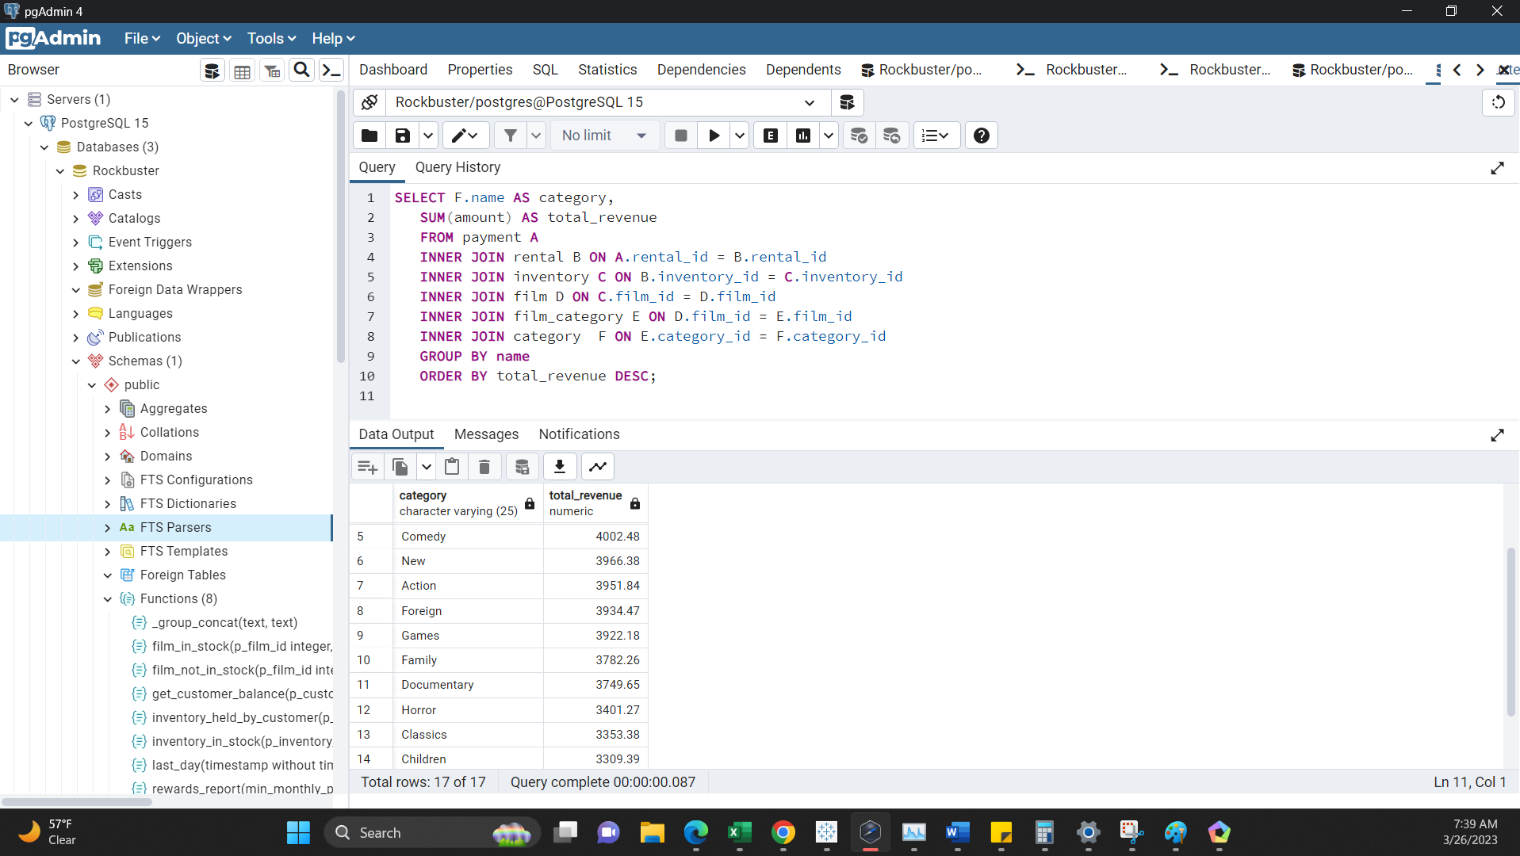
category | total_revenue
Sports | 4892.19 | 8%
Sci-Fi | 4336.01 | 7%
Animation | 4245.31 | 7%
Drama | 4118.46 | 7%
Comedy | 4002.48 | 7%
New | 3966.38 | 6%
Action | 3951.84 | 6%
Foreign | 3934.47 | 6%
Games | 3922.18 | 6%
Family | 3782.26 | 6%
Documentary | 3749.65 | 6%
Horror | 3401.27 | 6%
Classics | 3353.38 | 5%
Children | 3309.39 | 5%
Travel | 3227.36 | 5%
Music | 3071.52 | 5%
Thiller | 47.89
 | 61312.04 | 100%
 | 3606.59

rev & client count per country
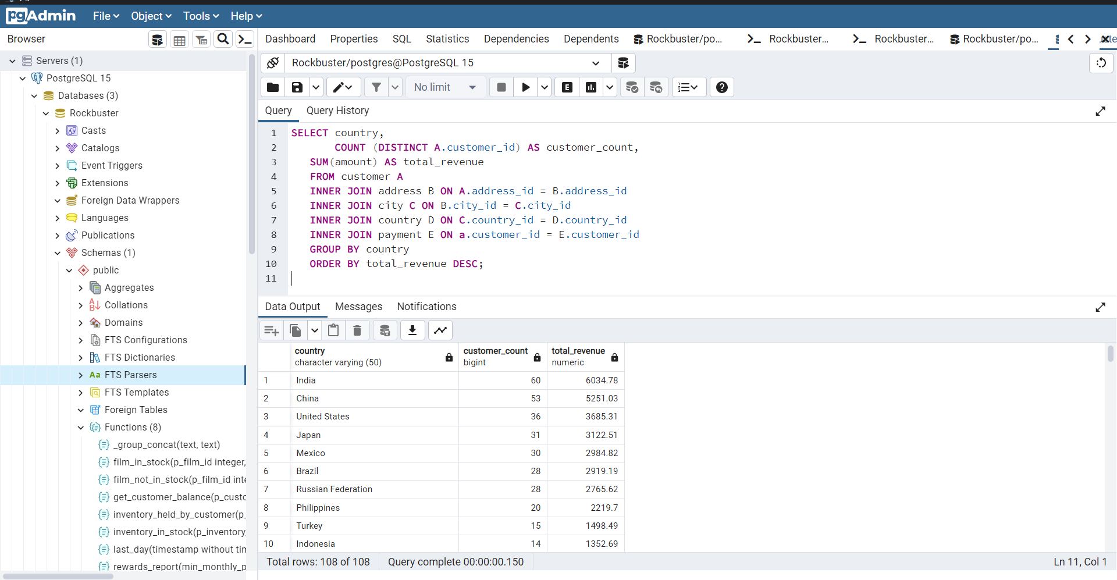
country | customer_count | total_payment
India | 60 | 6034.78
China | 53 | 5251.03
United States | 36 | 3685.31
Japan | 31 | 3122.51
Mexico | 30 | 2984.82
Brazil | 28 | 2919.19
Russian Federation | 28 | 2765.62
Philippines | 20 | 2219.7
Turkey | 15 | 1498.49
Indonesia | 14 | 1352.69
Argentina | 13 | 1298.8
Nigeria | 13 | 1314.92
South Africa | 11 | 1069.46
Taiwan | 10 | 1155.1
United Kingdom | 9 | 850.96
Iran | 8 | 877.96
Poland | 8 | 786.16
Germany | 7 | 741.24
Italy | 7 | 753.26
Venezuela | 7 | 632.43
Colombia | 6 | 661.54
Egypt | 6 | 659.48
Ukraine | 6 | 675.53
Vietnam | 6 | 676.45
Canada | 5 | 559.7
Netherlands | 5 | 557.73
Pakistan | 5 | 473.84
Saudi Arabia | 5 | 452.94
South Korea | 5 | 527.77
Spain | 5 | 513.8
France | 4 | 334.12
Israel | 4 | 379.13
Peru | 4 | 407.01
Yemen | 4 | 473.93
Algeria | 3 | 349.18
Austria | 3 | 284.3
Bangladesh | 3 | 353.19
Chile | 3 | 303.34
Dominican Republic | 3 | 304.26
Ecuador | 3 | 369.18
Malaysia | 3 | 330.23
Morocco | 3 | 274.35
Mozambique | 3 | 315.25
Paraguay | 3 | 273.4
Switzerland | 3 | 248.41
Tanzania | 3 | 322.22
Thailand | 3 | 401.08
United Arab Emirates | 3 | 305.25
Angola | 2 | 187.55
Azerbaijan | 2 | 198.53
Belarus | 2 | 271.36
Bolivia | 2 | 178.56
Bulgaria | 2 | 194.52
Cambodia | 2 | 179.51
Cameroon | 2 | 186.49
Congo, The Democratic Republic of the | 2 | 168.58
French Polynesia | 2 | 205.52
Greece | 2 | 204.54
Kazakstan | 2 | 192.51
Kenya | 2 | 245.49
Latvia | 2 | 249.43
Myanmar | 2 | 179.53
Oman | 2 | 161.56
Puerto Rico | 2 | 224.48
Romania | 2 | 218.42
Sudan | 2 | 202.51
Yugoslavia | 2 | 233.49
Afghanistan | 1 | 67.82
American Samoa | 1 | 47.85
Anguilla | 1 | 99.68
Armenia | 1 | 118.75
Bahrain | 1 | 108.76
Brunei | 1 | 107.66
Chad | 1 | 122.72
Czech Republic | 1 | 132.72
Estonia | 1 | 105.72
Ethiopia | 1 | 91.77
Faroe Islands | 1 | 96.76
Finland | 1 | 78.79
French Guiana | 1 | 97.8
Gambia | 1 | 114.73
Greenland | 1 | 119.72
Holy See (Vatican City State) | 1 | 146.68
Hong Kong | 1 | 104.76
Hungary | 1 | 111.71
Iraq | 1 | 111.73
Kuwait | 1 | 106.75
Liechtenstein | 1 | 99.74
Lithuania | 1 | 63.78
Madagascar | 1 | 92.79
Malawi | 1 | 121.73
Moldova | 1 | 127.66
Nauru | 1 | 143.7
Nepal | 1 | 93.83
New Zealand | 1 | 85.77
North Korea | 1 | 107.71
Runion | 1 | 211.55
Saint Vincent and the Grenadines | 1 | 64.82
Senegal | 1 | 95.76
Slovakia | 1 | 80.77
Sri Lanka | 1 | 103.73
Sweden | 1 | 139.67
Tonga | 1 | 64.84
Tunisia | 1 | 73.78
Turkmenistan | 1 | 126.74
Tuvalu | 1 | 93.78
Virgin Islands, U.S. | 1 | 121.69
Zambia | 1 | 121.7

top movie
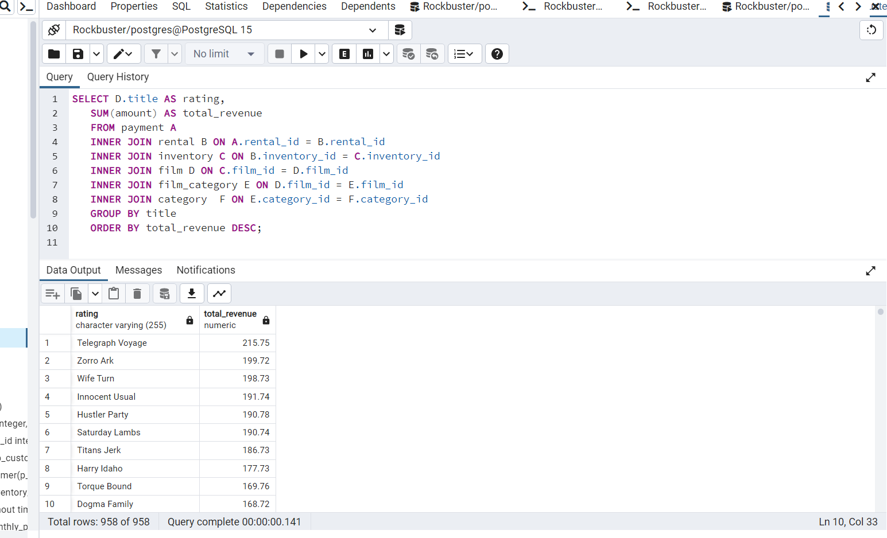
title | total_revenue
Telegraph Voyage | 215.75 | 0.35%
Zorro Ark | 199.72 | 0.33%
Wife Turn | 198.73 | 0.32%
Innocent Usual | 191.74 | 0.31%
Hustler Party | 190.78 | 0.31%
Saturday Lambs | 190.74 | 0.31%
Titans Jerk | 186.73 | 0.30%
Harry Idaho | 177.73 | 0.29%
Torque Bound | 169.76 | 0.28% | 2.81% | top ten market share of revenue globally
Dogma Family | 168.72 | 0.28%
Pelican Comforts | 165.77 | 0.27%
Goodfellas Salute | 164.75 | 0.27%
Fool Mockingbird | 162.79 | 0.27%
Apache Divine | 160.72 | 0.26%
Enemy Odds | 159.75 | 0.26%
Cat Coneheads | 159.73 | 0.26%
Scorpion Apollo | 158.79 | 0.26%
Range Moonwalker | 158.77 | 0.26%
Scalawag Duck | 157.71 | 0.26%
Sunrise League | 155.78 | 0.25%
Lola Agent | 154.77 | 0.25%
Maiden Home | 152.78 | 0.25%
Velvet Terminator | 152.77 | 0.25%
Closer Bang | 152.76 | 0.25%
Bucket Brotherhood | 150.72 | 0.25%
Sting Personal | 149.8 | 0.24%
Titanic Boondock | 149.78 | 0.24%
Massacre Usual | 149.75 | 0.24%
Nightmare Chill | 148.79 | 0.24%
Videotape Arsenic | 148.76 | 0.24%
American Circus | 146.81 | 0.24%
Witches Panic | 146.75 | 0.24%
Show Lord | 145.78 | 0.24%
Minds Truman | 144.81 | 0.24%
Working Microcosmos | 144.78 | 0.24%
Head Stranger | 142.79 | 0.23%
Wonderland Christmas | 142.79 | 0.23%
Whisperer Giant | 141.8 | 0.23%
Forrester Comancheros | 141.74 | 0.23%
Backlash Undefeated | 140.84 | 0.23%
Dorado Notting | 140.78 | 0.23%
Boogie Amelie | 140.74 | 0.23%
Secrets Paradise | 139.82 | 0.23%
Mine Titans | 138.83 | 0.23%
Stagecoach Armageddon | 138.77 | 0.23%
Pity Bound | 138.77 | 0.23%
Roses Treasure | 137.77 | 0.22%
Streetcar Intentions | 137.77 | 0.22%
Fellowship Autumn | 137.76 | 0.22%
Steel Santa | 136.78 | 0.22%
Confidential Interview | 136.76 | 0.22%
Trip Newton | 135.74 | 0.22%
Flintstones Happiness | 134.83 | 0.22%
Garden Island | 134.82 | 0.22%
Suit Walls | 134.81 | 0.22%
Eagles Panky | 134.81 | 0.22%
Flamingos Connecticut | 134.78 | 0.22%
Attraction Newton | 133.78 | 0.22%
Trading Pinocchio | 133.77 | 0.22%
Easy Gladiator | 132.8 | 0.22%
Heartbreakers Bright | 132.8 | 0.22%
Durham Panky | 132.76 | 0.22%
Moonshine Cabin | 131.8 | 0.21%
Drifter Commandments | 131.78 | 0.21%
Name Detective | 131.78 | 0.21%
Aladdin Calendar | 131.77 | 0.21%
Coneheads Smoochy | 131.76 | 0.21%
Lies Treatment | 131.76 | 0.21%
Midsummer Groundhog | 129.82 | 0.21%
Details Packer | 128.82 | 0.21%
Queen Luke | 128.79 | 0.21%
Tourist Pelican | 126.81 | 0.21%
Sabrina Midnight | 126.79 | 0.21%
Liaisons Sweet | 126.79 | 0.21%
Kiss Glory | 126.79 | 0.21%
Seattle Expecations | 125.8 | 0.21%
Beauty Grease | 125.79 | 0.21%
Movie Shakespeare | 125.78 | 0.21%
Gleaming Jawbreaker | 125.72 | 0.21%
Chance Resurrection | 124.76 | 0.20%
Calendar Gunfight | 123.82 | 0.20%
Heavyweights Beast | 123.78 | 0.20%
Satisfaction Confidential | 122.84 | 0.20%
Yentl Idaho | 122.79 | 0.20%
Coma Head | 122.77 | 0.20%
Center Dinosaur | 121.79 | 0.20%
Sleeping Suspects | 121.78 | 0.20%
Princess Giant | 121.77 | 0.20%
Pulp Beverly | 121.74 | 0.20%
Kissing Dolls | 120.83 | 0.20%
Dawn Pond | 120.83 | 0.20%
Something Duck | 120.82 | 0.20%
Trap Guys | 119.85 | 0.20%
Pinocchio Simon | 119.82 | 0.20%
Rage Games | 119.81 | 0.20%
Bingo Talented | 119.75 | 0.20%
Doors President | 118.82 | 0.19%
Desert Poseidon | 118.81 | 0.19%
Maltese Hope | 118.79 | 0.19%
Suspects Quills | 118.73 | 0.19%
Fidelity Devil | 117.82 | 0.19%
Snatch Slipper | 117.8 | 0.19%
High Encino | 117.79 | 0.19%
Waterfront Deliverance | 116.84 | 0.19%
Metropolis Coma | 116.76 | 0.19%
Network Peak | 116.73 | 0.19%
Road Roxanne | 115.83 | 0.19%
Hunchback Impossible | 115.83 | 0.19%
Beverly Outlaw | 115.79 | 0.19%
Freddy Storm | 115.79 | 0.19%
Conversation Downhill | 114.83 | 0.19%
Cause Date | 114.81 | 0.19%
Whale Bikini | 113.85 | 0.19%
Lady Stage | 113.84 | 0.19%
Redemption Comforts | 113.8 | 0.19%
Strictly Scarface | 113.77 | 0.19%
Secretary Rouge | 112.82 | 0.18%
Agent Truman | 111.81 | 0.18%
Candles Grapes | 111.8 | 0.18%
Money Harold | 111.8 | 0.18%
Mission Zoolander | 110.84 | 0.18%
Interview Liaisons | 110.82 | 0.18%
Prejudice Oleander | 110.81 | 0.18%
Ridgemont Submarine | 110.72 | 0.18%
Teen Apollo | 109.86 | 0.18%
Shawshank Bubble | 109.81 | 0.18%
Arachnophobia Rollercoaster | 109.77 | 0.18%
Horn Working | 109.77 | 0.18%
Butterfly Chocolat | 108.74 | 0.18%
Command Darling | 107.84 | 0.18%
Ghost Groundhog | 107.81 | 0.18%
Philadelphia Wife | 107.8 | 0.18%
Scarface Bang | 106.84 | 0.17%
Brooklyn Desert | 106.81 | 0.17%
Falcon Volume | 106.81 | 0.17%
Spice Sorority | 106.81 | 0.17%
Virtual Spoilers | 105.87 | 0.17%
Galaxy Sweethearts | 105.84 | 0.17%
League Hellfighters | 105.83 | 0.17%
Requiem Tycoon | 105.82 | 0.17%
Chasing Fight | 105.82 | 0.17%
Driving Polish | 105.81 | 0.17%
Secret Groundhog | 105.81 | 0.17%
Reign Gentlemen | 105.81 | 0.17%
Clueless Bucket | 105.77 | 0.17%
Strangers Graffiti | 104.86 | 0.17%
Breakfast Goldfinger | 104.84 | 0.17%
Jerk Paycheck | 104.81 | 0.17%
Wash Heavenly | 104.8 | 0.17%
Truman Crazy | 104.8 | 0.17%
Arizona Bang | 104.79 | 0.17%
Hanky October | 104.77 | 0.17%
Tycoon Gathering | 103.88 | 0.17%
Million Ace | 103.83 | 0.17%
Sleepless Monsoon | 103.83 | 0.17%
Open African | 103.81 | 0.17%
Angels Life | 103.8 | 0.17%
Cupboard Sinners | 103.78 | 0.17%
Greatest North | 103.73 | 0.17%
Birds Perdition | 102.83 | 0.17%
Undefeated Dalmations | 102.81 | 0.17%
South Wait | 102.79 | 0.17%
Forward Temple | 102.74 | 0.17%
Timberland Sky | 102.74 | 0.17%
Paycheck Wait | 101.84 | 0.17%
Attacks Hate | 101.84 | 0.17%
Expecations Natural | 101.83 | 0.17%
Sweden Shining | 101.83 | 0.17%
Tomorrow Hustler | 101.76 | 0.17%
Samurai Lion | 101.76 | 0.17%
Poseidon Forever | 100.83 | 0.16%
Invasion Cyclone | 100.74 | 0.16%
Giant Troopers | 100.74 | 0.16%
Confused Candles | 99.84 | 0.16%
Stepmom Dream | 99.81 | 0.16%
Knock Warlock | 99.79 | 0.16%
English Bulworth | 99.74 | 0.16%
Hall Cassidy | 98.84 | 0.16%
Egg Igby | 98.81 | 0.16%
Brotherhood Blanket | 98.77 | 0.16%
Thief Pelican | 97.84 | 0.16%
Jason Trap | 97.77 | 0.16%
Rocketeer Mother | 97.72 | 0.16%
Grit Clockwork | 97.72 | 0.16%
Shock Cabin | 96.71 | 0.16%
Jericho Mulan | 95.84 | 0.16%
Inch Jet | 95.82 | 0.16%
Salute Apollo | 95.8 | 0.16%
Gangs Pride | 95.78 | 0.16%
Hyde Doctor | 95.76 | 0.16%
Bilko Anonymous | 94.88 | 0.15%
Gold River | 94.86 | 0.15%
Mermaid Insects | 94.85 | 0.15%
French Holiday | 94.84 | 0.15%
Gorgeous Bingo | 94.83 | 0.15%
Peak Forever | 94.82 | 0.15%
Patton Interview | 94.79 | 0.15%
Fargo Gandhi | 94.79 | 0.15%
Fish Opus | 94.78 | 0.15%
Expendable Stallion | 94.74 | 0.15%
Spy Mile | 94.73 | 0.15%
Day Unfaithful | 93.88 | 0.15%
Pickup Driving | 93.85 | 0.15%
Sugar Wonka | 93.85 | 0.15%
Bear Graceland | 93.81 | 0.15%
Camelot Vacation | 93.76 | 0.15%
Sweethearts Suspects | 93.73 | 0.15%
West Lion | 92.86 | 0.15%
Hanging Deep | 92.85 | 0.15%
Core Suit | 92.84 | 0.15%
Jet Neighbors | 92.83 | 0.15%
Hellfighters Sierra | 92.81 | 0.15%
Fatal Haunted | 92.77 | 0.15%
Silverado Goldfinger | 91.88 | 0.15%
Destiny Saturday | 91.85 | 0.15%
Balloon Homeward | 91.78 | 0.15%
Dude Blindness | 90.87 | 0.15%
Wizard Coldblooded | 90.85 | 0.15%
Ice Crossing | 90.78 | 0.15%
Pure Runner | 89.85 | 0.15%
Coldblooded Darling | 89.84 | 0.15%
Igby Maker | 89.83 | 0.15%
Vacation Boondock | 89.81 | 0.15%
Rocky War | 88.87 | 0.14%
Memento Zoolander | 88.87 | 0.14%
Candidate Perdition | 88.82 | 0.14%
Metal Armageddon | 88.79 | 0.14%
Idols Snatchers | 88.76 | 0.14%
Telemark Heartbreakers | 88.76 | 0.14%
Behavior Runaway | 87.89 | 0.14%
Flash Wars | 87.88 | 0.14%
Bright Encounters | 87.88 | 0.14%
Hysterical Grail | 87.85 | 0.14%
Darn Forrester | 87.83 | 0.14%
Basic Easy | 87.8 | 0.14%
Color Philadelphia | 87.78 | 0.14%
Oz Liaisons | 87.78 | 0.14%
Panky Submarine | 86.88 | 0.14%
Airport Pollock | 86.85 | 0.14%
Slacker Liaisons | 86.84 | 0.14%
Virgin Daisy | 86.84 | 0.14%
Seabiscuit Punk | 86.76 | 0.14%
Muscle Bright | 86.73 | 0.14%
Juggler Hardly | 86.71 | 0.14%
Daisy Menagerie | 85.86 | 0.14%
Steers Armageddon | 85.85 | 0.14%
Robbers Joon | 85.74 | 0.14%
Conquerer Nuts | 84.87 | 0.14%
Chicago North | 84.85 | 0.14%
Sea Virgin | 84.81 | 0.14%
Alien Center | 84.8 | 0.14%
Barbarella Streetcar | 84.78 | 0.14%
Married Go | 84.74 | 0.14%
Pittsburgh Hunchback | 83.89 | 0.14%
Panther Reds | 83.86 | 0.14%
Loser Hustler | 83.86 | 0.14%
Sagebrush Clueless | 83.86 | 0.14%
Dying Maker | 83.85 | 0.14%
Forrest Sons | 83.83 | 0.14%
Star Operation | 83.8 | 0.14%
Affair Prejudice | 83.79 | 0.14%
Oscar Gold | 83.75 | 0.14%
Musketeers Wait | 82.85 | 0.14%
Airplane Sierra | 82.85 | 0.14%
Holiday Games | 82.85 | 0.14%
Casablanca Super | 82.84 | 0.14%
Hurricane Affair | 82.77 | 0.13%
Paths Control | 81.9 | 0.13%
Hanover Galaxy | 81.86 | 0.13%
Campus Remember | 81.83 | 0.13%
Rush Goodfellas | 81.72 | 0.13%
Peach Innocent | 80.86 | 0.13%
Dragonfly Strangers | 80.86 | 0.13%
Human Graffiti | 80.85 | 0.13%
Orient Closer | 80.83 | 0.13%
Vanishing Rocky | 80.83 | 0.13%
Wardrobe Phantom | 80.77 | 0.13%
Operation Operation | 80.75 | 0.13%
Edge Kissing | 79.87 | 0.13%
Betrayed Rear | 79.87 | 0.13%
Bikini Borrowers | 79.86 | 0.13%
Carol Texas | 79.83 | 0.13%
Paradise Sabrina | 79.82 | 0.13%
Strangelove Desire | 79.78 | 0.13%
None Spiking | 79.75 | 0.13%
Super Wyoming | 78.88 | 0.13%
Rules Human | 78.87 | 0.13%
Submarine Bed | 78.87 | 0.13%
Devil Desire | 78.86 | 0.13%
Groundhog Uncut | 78.86 | 0.13%
Jekyll Frogmen | 78.84 | 0.13%
Intentions Empire | 78.83 | 0.13%
Murder Antitrust | 78.79 | 0.13%
Blackout Private | 78.77 | 0.13%
Deer Virginian | 78.76 | 0.13%
Tracy Cider | 78.76 | 0.13%
Contact Anonymous | 78.76 | 0.13%
Raging Airplane | 77.88 | 0.13%
Creepers Kane | 77.87 | 0.13%
Quills Bull | 77.87 | 0.13%
Northwest Polish | 77.82 | 0.13%
Flying Hook | 77.81 | 0.13%
Harper Dying | 77.8 | 0.13%
Quest Mussolini | 77.8 | 0.13%
Disturbing Scarface | 77.77 | 0.13%
Clash Freddy | 77.77 | 0.13%
Horror Reign | 77.75 | 0.13%
Lose Inch | 77.74 | 0.13%
Model Fish | 76.87 | 0.13%
Tuxedo Mile | 76.87 | 0.13%
Grinch Massage | 76.86 | 0.13%
Image Princess | 76.86 | 0.13%
Lawless Vision | 76.86 | 0.13%
Wanda Chamber | 76.86 | 0.13%
Baked Cleopatra | 76.85 | 0.13%
Sleepy Japanese | 76.83 | 0.13%
National Story | 76.83 | 0.13%
Unbreakable Karate | 76.81 | 0.13%
Shakespeare Saddle | 76.8 | 0.13%
Badman Dawn | 76.79 | 0.13%
Island Exorcist | 76.77 | 0.13%
Connecticut Tramp | 75.89 | 0.12%
Moonwalker Fool | 75.89 | 0.12%
Deep Crusade | 75.87 | 0.12%
Searchers Wait | 75.86 | 0.12%
Holes Brannigan | 75.86 | 0.12%
Sons Interview | 75.85 | 0.12%
Trojan Tomorrow | 75.82 | 0.12%
Blues Instinct | 75.82 | 0.12%
Atlantis Cause | 75.79 | 0.12%
Malkovich Pet | 75.77 | 0.12%
Autumn Crow | 74.9 | 0.12%
Birch Antitrust | 74.89 | 0.12%
Impossible Prejudice | 74.86 | 0.12%
Lust Lock | 74.82 | 0.12%
Flatliners Killer | 74.81 | 0.12%
Crossroads Casualties | 74.8 | 0.12%
Escape Metropolis | 74.77 | 0.12%
Frost Head | 74.72 | 0.12%
Thin Sagebrush | 73.89 | 0.12%
California Birds | 73.89 | 0.12%
Pluto Oleander | 73.87 | 0.12%
Outlaw Hanky | 73.86 | 0.12%
Words Hunter | 73.86 | 0.12%
Wait Cider | 73.82 | 0.12%
Fantasia Park | 73.81 | 0.12%
Dream Pickup | 73.8 | 0.12%
Half Outfield | 73.79 | 0.12%
Darko Dorado | 72.9 | 0.12%
Hope Tootsie | 72.83 | 0.12%
Berets Agent | 72.8 | 0.12%
Downhill Enough | 72.79 | 0.12%
Cincinatti Whisperer | 71.89 | 0.12%
Alabama Devil | 71.88 | 0.12%
Blindness Gun | 71.87 | 0.12%
Jacket Frisco | 71.84 | 0.12%
Weekend Personal | 71.83 | 0.12%
Wedding Apollo | 71.79 | 0.12%
Jeepers Wedding | 70.87 | 0.12%
Confessions Maguire | 70.87 | 0.12%
Saturn Name | 70.87 | 0.12%
Ferris Mother | 70.85 | 0.12%
Remember Diary | 70.83 | 0.12%
Trouble Date | 70.81 | 0.12%
Others Soup | 70.8 | 0.12%
Gentlemen Stage | 70.8 | 0.12%
Amistad Midsummer | 70.79 | 0.12%
Mallrats United | 70.78 | 0.12%
Ties Hunger | 69.91 | 0.11%
Daughter Madigan | 69.91 | 0.11%
Beast Hunchback | 69.9 | 0.11%
Vampire Whale | 69.89 | 0.11%
Comforts Rush | 69.85 | 0.11%
Instinct Airport | 69.83 | 0.11%
Werewolf Lola | 68.88 | 0.11%
Flight Lies | 68.88 | 0.11%
Idaho Love | 68.85 | 0.11%
Eyes Driving | 68.84 | 0.11%
Bringing Hysterical | 68.81 | 0.11%
Hobbit Alien | 68.74 | 0.11%
Amelie Hellfighters | 67.9 | 0.11%
Liberty Magnificent | 67.89 | 0.11%
Dinosaur Secretary | 67.81 | 0.11%
Jumping Wrath | 67.79 | 0.11%
Goldfinger Sensibility | 67.79 | 0.11%
Graffiti Love | 67.74 | 0.11%
Rugrats Shakespeare | 67.72 | 0.11%
Caribbean Liberty | 66.92 | 0.11%
Twisted Pirates | 66.89 | 0.11%
Past Suicides | 66.88 | 0.11%
Dangerous Uptown | 66.88 | 0.11%
Home Pity | 66.88 | 0.11%
Boiled Dares | 66.87 | 0.11%
Charade Duffel | 66.87 | 0.11%
Worst Banger | 66.85 | 0.11%
Zoolander Fiction | 66.85 | 0.11%
Egypt Tenenbaums | 66.84 | 0.11%
Wonka Sea | 66.82 | 0.11%
Pollock Deliverance | 66.82 | 0.11%
Stranger Strangers | 65.9 | 0.11%
Chamber Italian | 65.88 | 0.11%
Usual Untouchables | 65.88 | 0.11%
War Notting | 65.88 | 0.11%
Lonely Elephant | 65.87 | 0.11%
Chariots Conspiracy | 65.81 | 0.11%
House Dynamite | 65.8 | 0.11%
Snowman Rollercoaster | 65.79 | 0.11%
Madness Attacks | 65.77 | 0.11%
Fiddler Lost | 64.9 | 0.11%
Elephant Trojan | 64.9 | 0.11%
Gunfighter Mussolini | 64.89 | 0.11%
Madison Trap | 64.87 | 0.11%
Divine Resurrection | 64.85 | 0.11%
Swarm Gold | 64.77 | 0.11%
Daddy Pittsburgh | 63.89 | 0.10%
Anthem Luke | 63.89 | 0.10%
Mother Oleander | 63.87 | 0.10%
Bill Others | 63.82 | 0.10%
Champion Flatliners | 62.9 | 0.10%
Games Bowfinger | 62.88 | 0.10%
Lovely Jingle | 62.87 | 0.10%
Potter Connecticut | 62.85 | 0.10%
Gaslight Crusade | 62.84 | 0.10%
Driver Annie | 62.84 | 0.10%
Reap Unfaithful | 62.84 | 0.10%
Neighbors Charade | 62.83 | 0.10%
Lebowski Soldiers | 62.82 | 0.10%
Wrong Behavior | 62.8 | 0.10%
Detective Vision | 62.76 | 0.10%
Loathing Legally | 62.74 | 0.10%
Casualties Encino | 61.92 | 0.10%
Wyoming Storm | 61.89 | 0.10%
Insider Arizona | 61.83 | 0.10%
Alone Trip | 61.83 | 0.10%
Pond Seattle | 61.82 | 0.10%
Excitement Eve | 61.8 | 0.10%
Divide Monster | 61.8 | 0.10%
Orange Grapes | 61.78 | 0.10%
Spartacus Cheaper | 60.91 | 0.10%
Opus Ice | 60.9 | 0.10%
Noon Papi | 60.85 | 0.10%
Earring Instinct | 60.83 | 0.10%
Sinners Atlantis | 60.81 | 0.10%
Dynamite Tarzan | 60.77 | 0.10%
Family Sweet | 60.73 | 0.10%
King Evolution | 59.92 | 0.10%
Jingle Sagebrush | 59.89 | 0.10%
Born Spinal | 59.88 | 0.10%
Jaws Harry | 59.87 | 0.10%
Manchurian Curtain | 59.86 | 0.10%
Nemo Campus | 59.86 | 0.10%
Artist Coldblooded | 59.86 | 0.10%
Honey Ties | 59.84 | 0.10%
Barefoot Manchurian | 59.83 | 0.10%
Clones Pinocchio | 59.83 | 0.10%
Homicide Peach | 59.82 | 0.10%
Smile Earring | 58.9 | 0.10%
Sweet Brotherhood | 58.89 | 0.10%
Nash Chocolat | 58.87 | 0.10%
Fury Murder | 58.83 | 0.10%
Doom Dancing | 58.83 | 0.10%
Chicken Hellfighters | 58.81 | 0.10%
Fiction Christmas | 58.81 | 0.10%
Packer Madigan | 58.8 | 0.10%
Hills Neighbors | 58.79 | 0.10%
Lambs Cincinatti | 57.9 | 0.09%
Temple Attraction | 57.9 | 0.09%
October Submarine | 57.9 | 0.09%
Sierra Divide | 57.85 | 0.09%
Fireball Philadelphia | 57.81 | 0.09%
Brannigan Sunrise | 56.91 | 0.09%
Element Freddy | 56.9 | 0.09%
Meet Chocolate | 56.89 | 0.09%
Massage Image | 56.89 | 0.09%
Fugitive Maguire | 56.89 | 0.09%
Bowfinger Gables | 56.89 | 0.09%
Opposite Necklace | 56.89 | 0.09%
Turn Star | 56.88 | 0.09%
Identity Lover | 56.88 | 0.09%
Creatures Shakespeare | 56.84 | 0.09%
Boulevard Mob | 56.84 | 0.09%
Cider Desire | 56.83 | 0.09%
River Outlaw | 56.82 | 0.09%
Double Wrath | 56.79 | 0.09%
Grapes Fury | 56.77 | 0.09%
State Wasteland | 55.89 | 0.09%
Beach Heartbreakers | 55.86 | 0.09%
Analyze Hoosiers | 55.86 | 0.09%
Mummy Creatures | 55.85 | 0.09%
Greek Everyone | 55.83 | 0.09%
Straight Hours | 55.81 | 0.09%
Magnificent Chitty | 54.92 | 0.09%
Lover Truman | 54.91 | 0.09%
Ali Forever | 54.91 | 0.09%
Monsoon Cause | 54.91 | 0.09%
Racer Egg | 54.83 | 0.09%
Outfield Massacre | 54.82 | 0.09%
Dalmations Sweden | 54.82 | 0.09%
Tights Dawn | 54.76 | 0.09%
Bird Independence | 53.91 | 0.09%
Nuts Ties | 53.91 | 0.09%
Frisco Forrest | 53.91 | 0.09%
Circus Youth | 53.86 | 0.09%
Jade Bunch | 53.85 | 0.09%
Perfect Groove | 53.84 | 0.09%
Fight Jawbreaker | 53.8 | 0.09%
Mockingbird Hollywood | 53.78 | 0.09%
Ace Goldfinger | 52.93 | 0.09%
Guys Falcon | 52.92 | 0.09%
Vanilla Day | 52.91 | 0.09%
Doubtfire Labyrinth | 52.91 | 0.09%
Right Cranes | 52.9 | 0.09%
Sensibility Rear | 52.9 | 0.09%
Purple Movie | 52.88 | 0.09%
Shane Darkness | 52.87 | 0.09%
Patriot Roman | 52.85 | 0.09%
Willow Tracy | 52.85 | 0.09%
Gilmore Boiled | 52.76 | 0.09%
Panic Club | 51.93 | 0.08%
North Tequila | 51.91 | 0.08%
Pilot Hoosiers | 51.86 | 0.08%
Rouge Squad | 51.84 | 0.08%
Moulin Wake | 51.84 | 0.08%
Enough Raging | 51.84 | 0.08%
Anaconda Confessions | 51.82 | 0.08%
Karate Moon | 51.8 | 0.08%
Chisum Behavior | 50.9 | 0.08%
Lost Bird | 50.9 | 0.08%
Iron Moon | 50.9 | 0.08%
Window Side | 50.89 | 0.08%
Reunion Witches | 50.82 | 0.08%
Annie Identity | 50.81 | 0.08%
Sun Confessions | 50.77 | 0.08%
Handicap Boondock | 50.76 | 0.08%
Bound Cheaper | 50.76 | 0.08%
Valley Packer | 49.88 | 0.08%
Exorcist Sting | 49.88 | 0.08%
Mask Peach | 49.86 | 0.08%
Heaven Freedom | 49.85 | 0.08%
Novocaine Flight | 49.82 | 0.08%
Chocolat Harry | 49.81 | 0.08%
Dancing Fever | 49.76 | 0.08%
Park Citizen | 48.94 | 0.08%
Gosford Donnie | 48.92 | 0.08%
Madigan Dorado | 48.92 | 0.08%
Mod Secretary | 48.91 | 0.08%
Rider Caddyshack | 48.89 | 0.08%
Monster Spartacus | 48.86 | 0.08%
Varsity Trip | 48.84 | 0.08%
Kick Savannah | 48.83 | 0.08%
Rock Instinct | 48.83 | 0.08%
Sleuth Orient | 48.81 | 0.08%
Slums Duck | 48.78 | 0.08%
Sense Greek | 47.93 | 0.08%
Reds Pocus | 47.92 | 0.08%
Kramer Chocolate | 47.91 | 0.08%
African Egg | 47.89 | 0.08%
Dirty Ace | 47.87 | 0.08%
Madre Gables | 47.87 | 0.08%
Worker Tarzan | 47.86 | 0.08%
Gables Metropolis | 47.83 | 0.08%
Haunting Pianist | 47.8 | 0.08%
Virginian Pluto | 47.75 | 0.08%
Grosse Wonderful | 46.92 | 0.08%
Wonderful Drop | 46.92 | 0.08%
Trainspotting Strangers | 46.91 | 0.08%
Stage World | 46.9 | 0.08%
Alley Evolution | 46.87 | 0.08%
Town Ark | 46.87 | 0.08%
Shrunk Divine | 46.87 | 0.08%
Troopers Metal | 46.86 | 0.08%
Caddyshack Jedi | 46.86 | 0.08%
Indian Love | 46.85 | 0.08%
Newton Labyrinth | 46.84 | 0.08%
Gunfight Moon | 46.79 | 0.08%
Clerks Angels | 45.94 | 0.07%
Casper Dragonfly | 45.93 | 0.07%
Bugsy Song | 45.91 | 0.07%
Lolita World | 45.91 | 0.07%
Darkness War | 45.88 | 0.07%
Uprising Uptown | 45.87 | 0.07%
Pirates Roxanne | 45.81 | 0.07%
Crusade Honey | 44.93 | 0.07%
Speed Suit | 44.92 | 0.07%
Darling Breaking | 44.92 | 0.07%
Ship Wonderland | 44.86 | 0.07%
Hours Rage | 44.82 | 0.07%
Anything Savannah | 43.92 | 0.07%
Drop Waterfront | 43.92 | 0.07%
Potluck Mixed | 43.9 | 0.07%
Microcosmos Paradise | 43.88 | 0.07%
Personal Ladybugs | 43.87 | 0.07%
Cyclone Family | 43.87 | 0.07%
Freaky Pocus | 43.86 | 0.07%
Shanghai Tycoon | 43.86 | 0.07%
United Pilot | 43.85 | 0.07%
Go Purple | 43.83 | 0.07%
Pacific Amistad | 43.81 | 0.07%
Goldmine Tycoon | 43.76 | 0.07%
Ishtar Rocketeer | 42.94 | 0.07%
Run Pacific | 42.91 | 0.07%
Wars Pluto | 42.9 | 0.07%
Modern Dorado | 42.88 | 0.07%
Express Lonely | 42.88 | 0.07%
Scissorhands Slums | 42.88 | 0.07%
Graduate Lord | 42.87 | 0.07%
Entrapment Satisfaction | 42.87 | 0.07%
Uncut Suicides | 42.87 | 0.07%
Stock Glass | 42.87 | 0.07%
Lock Rear | 42.86 | 0.07%
Kwai Homeward | 42.8 | 0.07%
Voyage Legally | 42.75 | 0.07%
Storm Happiness | 42.74 | 0.07%
Punk Divorce | 41.93 | 0.07%
Hoosiers Birdcage | 41.92 | 0.07%
Miracle Virtual | 41.92 | 0.07%
Hotel Happiness | 41.92 | 0.07%
Breaking Home | 41.9 | 0.07%
Speakeasy Date | 41.89 | 0.07%
Party Knock | 41.88 | 0.07%
Date Speed | 41.88 | 0.07%
Labyrinth League | 41.87 | 0.07%
Armageddon Lost | 41.8 | 0.07%
Eve Resurrection | 40.93 | 0.07%
Clue Grail | 40.93 | 0.07%
Baby Hall | 40.93 | 0.07%
Platoon Instinct | 40.92 | 0.07%
Matrix Snowman | 40.92 | 0.07%
Grail Frankenstein | 40.92 | 0.07%
Tarzan Videotape | 40.92 | 0.07%
Frida Slipper | 40.9 | 0.07%
Forever Candidate | 40.88 | 0.07%
Wasteland Divine | 40.88 | 0.07%
Hunting Musketeers | 40.88 | 0.07%
Paris Weekend | 40.88 | 0.07%
Groove Fiction | 40.83 | 0.07%
Tramp Others | 40.82 | 0.07%
Banger Pinocchio | 40.8 | 0.07%
Splendor Patton | 40.79 | 0.07%
Effect Gladiator | 40.79 | 0.07%
Pocus Pulp | 40.75 | 0.07%
Terminator Club | 39.94 | 0.07%
Jersey Sassy | 39.94 | 0.07%
Fire Wolves | 39.93 | 0.07%
Intolerable Intentions | 39.93 | 0.07%
Hollow Jeopardy | 39.92 | 0.07%
Legally Secretary | 39.92 | 0.07%
Rollercoaster Bringing | 39.91 | 0.07%
Lord Arizona | 39.9 | 0.07%
Hamlet Wisdom | 39.88 | 0.07%
Spinal Rocky | 39.87 | 0.07%
Pajama Jawbreaker | 39.86 | 0.07%
Cabin Flash | 39.86 | 0.07%
Disciple Mother | 39.82 | 0.06%
Mourning Purple | 39.81 | 0.06%
Italian African | 38.94 | 0.06%
Records Zorro | 38.93 | 0.06%
Spiking Element | 38.88 | 0.06%
Midnight Westward | 38.84 | 0.06%
Club Graffiti | 38.82 | 0.06%
Encounters Curtain | 38.82 | 0.06%
Women Dorado | 38.81 | 0.06%
Crooked Frogmen | 38.79 | 0.06%
Pianist Outfield | 38.78 | 0.06%
Graceland Dynamite | 37.94 | 0.06%
Godfather Diary | 37.92 | 0.06%
Vertigo Northwest | 37.92 | 0.06%
Life Twisted | 37.92 | 0.06%
Snatchers Montezuma | 37.91 | 0.06%
Prix Undefeated | 37.9 | 0.06%
Shrek License | 37.88 | 0.06%
Roots Remember | 37.86 | 0.06%
Joon Northwest | 37.84 | 0.06%
Coast Rainbow | 37.82 | 0.06%
Alaska Phantom | 37.77 | 0.06%
Caper Motions | 37.77 | 0.06%
Early Home | 36.94 | 0.06%
Soldiers Evolution | 36.93 | 0.06%
Elizabeth Shane | 36.93 | 0.06%
Drumline Cyclone | 36.9 | 0.06%
Necklace Outbreak | 36.86 | 0.06%
Army Flintstones | 36.86 | 0.06%
Majestic Floats | 36.85 | 0.06%
Sundance Invasion | 36.82 | 0.06%
Intrigue Worst | 36.81 | 0.06%
Insects Stone | 36.81 | 0.06%
Shootist Superfly | 36.77 | 0.06%
Westward Seabiscuit | 36.75 | 0.06%
Primary Glass | 36.73 | 0.06%
Frontier Cabin | 35.94 | 0.06%
Bubble Grosse | 35.94 | 0.06%
School Jacket | 35.94 | 0.06%
President Bang | 35.94 | 0.06%
Glass Dying | 35.88 | 0.06%
Fantasy Troopers | 35.79 | 0.06%
Moon Bunch | 35.74 | 0.06%
Story Side | 35.74 | 0.06%
Elf Murder | 34.94 | 0.06%
Magnolia Forrester | 34.89 | 0.06%
Adaptation Holes | 34.89 | 0.06%
Donnie Alley | 34.87 | 0.06%
Illusion Amelie | 34.87 | 0.06%
Taxi Kick | 34.83 | 0.06%
Independence Hotel | 34.82 | 0.06%
Curtain Videotape | 34.77 | 0.06%
Earth Vision | 34.77 | 0.06%
Carrie Bunch | 34.77 | 0.06%
Talented Homicide | 34.76 | 0.06%
Fever Empire | 33.95 | 0.06%
Wagon Jaws | 33.91 | 0.06%
Maguire Apache | 33.91 | 0.06%
Cranes Reservoir | 33.91 | 0.06%
Blanket Beverly | 33.9 | 0.06%
Mile Mulan | 33.89 | 0.06%
Splash Gump | 33.86 | 0.06%
Watch Tracy | 33.85 | 0.06%
Lion Uncut | 33.83 | 0.06%
Wind Phantom | 33.79 | 0.06%
Academy Dinosaur | 33.79 | 0.06%
Heavenly Gun | 32.94 | 0.05%
Tequila Past | 32.94 | 0.05%
Bulworth Commandments | 32.93 | 0.05%
Lucky Flying | 32.9 | 0.05%
Stone Fire | 32.9 | 0.05%
Maker Gables | 32.9 | 0.05%
Saddle Antitrust | 32.89 | 0.05%
Robbery Bright | 32.88 | 0.05%
Summer Scarface | 32.86 | 0.05%
Stampede Disturbing | 32.86 | 0.05%
Volcano Texas | 32.81 | 0.05%
Amadeus Holy | 32.8 | 0.05%
Haunted Antitrust | 31.94 | 0.05%
Dozen Lion | 31.94 | 0.05%
Desperate Trainspotting | 31.94 | 0.05%
Control Anthem | 31.94 | 0.05%
Saints Bride | 31.92 | 0.05%
Destination Jerk | 31.92 | 0.05%
Feathers Metal | 31.91 | 0.05%
Random Go | 31.91 | 0.05%
Song Hedwig | 31.9 | 0.05%
Hedwig Alter | 31.9 | 0.05%
Mighty Luck | 31.9 | 0.05%
Natural Stock | 31.88 | 0.05%
Rings Heartbreakers | 31.87 | 0.05%
Bonnie Holocaust | 31.85 | 0.05%
Voice Peach | 31.83 | 0.05%
Outbreak Divine | 31.82 | 0.05%
Congeniality Quest | 31.81 | 0.05%
Chainsaw Uptown | 31.81 | 0.05%
Feud Frogmen | 31.8 | 0.05%
Seven Swarm | 30.95 | 0.05%
Blood Argonauts | 30.93 | 0.05%
Jumanji Blade | 30.92 | 0.05%
Mulan Moon | 30.89 | 0.05%
Theory Mermaid | 30.88 | 0.05%
Factory Dragon | 30.85 | 0.05%
Cheaper Clyde | 30.83 | 0.05%
Mars Roman | 30.83 | 0.05%
Alter Victory | 30.8 | 0.05%
Gun Bonnie | 30.79 | 0.05%
Alamo Videotape | 30.78 | 0.05%
Halloween Nuts | 29.92 | 0.05%
Gone Trouble | 29.92 | 0.05%
Reservoir Adaptation | 29.91 | 0.05%
Wisdom Worker | 29.91 | 0.05%
Uptown Young | 29.9 | 0.05%
Santa Paris | 29.9 | 0.05%
Side Ark | 29.88 | 0.05%
Roxanne Rebel | 29.83 | 0.05%
Blade Polish | 29.81 | 0.05%
Chill Luck | 29.79 | 0.05%
Cowboy Doom | 28.93 | 0.05%
Luke Mummy | 28.93 | 0.05%
Untouchables Sunrise | 28.93 | 0.05%
Chitty Lock | 28.92 | 0.05%
Dwarfs Alter | 28.92 | 0.05%
Won Dares | 28.91 | 0.05%
Jeopardy Encino | 28.9 | 0.05%
Tootsie Pilot | 28.88 | 0.05%
Dances None | 28.87 | 0.05%
Louisiana Harry | 28.84 | 0.05%
Celebrity Horn | 28.79 | 0.05%
Shepherd Midsummer | 28.77 | 0.05%
Informer Double | 27.95 | 0.05%
Squad Fish | 27.93 | 0.05%
Papi Necklace | 27.93 | 0.05%
Antitrust Tomatoes | 27.93 | 0.05%
Dolls Rage | 27.92 | 0.05%
Mob Duffel | 27.9 | 0.05%
Minority Kiss | 27.89 | 0.05%
Dragon Squad | 27.89 | 0.05%
Rear Trading | 27.85 | 0.05%
Cleopatra Devil | 27.85 | 0.05%
Room Roman | 27.82 | 0.05%
Encino Elf | 27.81 | 0.05%
Highball Potter | 27.81 | 0.05%
Canyon Stock | 27.81 | 0.05%
Grease Youth | 27.8 | 0.05%
Private Drop | 26.95 | 0.04%
Dares Pluto | 26.92 | 0.04%
Pet Haunting | 26.92 | 0.04%
Unfaithful Kill | 26.92 | 0.04%
Crazy Home | 26.91 | 0.04%
Finding Anaconda | 26.9 | 0.04%
Evolution Alter | 26.88 | 0.04%
Empire Malkovich | 26.81 | 0.04%
Christmas Moonshine | 26.81 | 0.04%
Bunch Minds | 25.95 | 0.04%
Pizza Jumanji | 25.94 | 0.04%
Desire Alien | 25.92 | 0.04%
Motions Details | 25.87 | 0.04%
Translation Summer | 25.87 | 0.04%
Borrowers Bedazzled | 25.8 | 0.04%
Roman Punk | 25.79 | 0.04%
Train Bunch | 24.96 | 0.04%
Apocalypse Flamingos | 24.95 | 0.04%
Hunter Alter | 24.95 | 0.04%
Traffic Hobbit | 24.95 | 0.04%
Bed Highball | 24.94 | 0.04%
Diary Panic | 24.92 | 0.04%
World Leathernecks | 24.92 | 0.04%
Oleander Clue | 24.91 | 0.04%
Notorious Reunion | 24.87 | 0.04%
Drums Dynamite | 24.87 | 0.04%
Slipper Fidelity | 24.86 | 0.04%
Resurrection Silverado | 24.81 | 0.04%
Masked Bubble | 24.81 | 0.04%
Deceiver Betrayed | 24.8 | 0.04%
Wolves Desire | 24.79 | 0.04%
Doctor Grail | 23.95 | 0.04%
Mannequin Worst | 23.95 | 0.04%
Cassidy Wyoming | 23.94 | 0.04%
Chaplin License | 23.92 | 0.04%
Clyde Theory | 23.92 | 0.04%
Birdcage Casper | 23.91 | 0.04%
Reef Salute | 23.89 | 0.04%
Jungle Closer | 23.88 | 0.04%
Homeward Cider | 23.84 | 0.04%
Holocaust Highball | 23.84 | 0.04%
Lesson Cleopatra | 22.94 | 0.04%
Extraordinary Conquerer | 22.94 | 0.04%
Happiness United | 22.94 | 0.04%
Newsies Story | 22.93 | 0.04%
Bang Kwai | 22.93 | 0.04%
Shining Roses | 22.92 | 0.04%
Savannah Town | 22.9 | 0.04%
Everyone Craft | 22.89 | 0.04%
Wrath Mile | 22.87 | 0.04%
Love Suicides | 22.85 | 0.04%
Unforgiven Zoolander | 22.84 | 0.04%
Dracula Crystal | 22.81 | 0.04%
Divorce Shining | 21.95 | 0.04%
Phantom Glory | 21.94 | 0.04%
Leathernecks Dwarfs | 21.94 | 0.04%
Warlock Werewolf | 21.94 | 0.04%
Killer Innocent | 21.94 | 0.04%
Mulholland Beast | 21.93 | 0.04%
Luck Opus | 21.93 | 0.04%
Arabia Dogma | 21.88 | 0.04%
Citizen Shrek | 21.87 | 0.04%
Vietnam Smoochy | 21.86 | 0.04%
Bull Shawshank | 21.84 | 0.04%
Patient Sister | 21.82 | 0.04%
Duck Racer | 20.95 | 0.03%
Music Boondock | 20.83 | 0.03%
Jedi Beneath | 20.82 | 0.03%
Bride Intrigue | 20.82 | 0.03%
Gathering Calendar | 19.9 | 0.03%
Monterey Labyrinth | 19.89 | 0.03%
Sorority Queen | 19.88 | 0.03%
Hunger Roof | 19.88 | 0.03%
Tenenbaums Command | 19.88 | 0.03%
Odds Boogie | 19.87 | 0.03%
Tomatoes Hellfighters | 19.86 | 0.03%
Rushmore Mermaid | 18.94 | 0.03%
Menagerie Rushmore | 18.94 | 0.03%
Simon North | 18.94 | 0.03%
Impact Aladdin | 18.92 | 0.03%
Spoilers Hellfighters | 18.91 | 0.03%
Spirited Casualties | 18.9 | 0.03%
Language Cowboy | 18.9 | 0.03%
Craft Outfield | 18.86 | 0.03%
Polish Brooklyn | 18.85 | 0.03%
Ladybugs Armageddon | 17.94 | 0.03%
License Weekend | 17.94 | 0.03%
Magic Mallrats | 17.93 | 0.03%
Holy Tadpole | 17.92 | 0.03%
Mystic Truman | 17.92 | 0.03%
Gilbert Pelican | 17.91 | 0.03%
Ending Crowds | 17.9 | 0.03%
Anonymous Human | 17.87 | 0.03%
Streak Ridgemont | 17.87 | 0.03%
Hook Chariots | 17.87 | 0.03%
Pride Alamo | 17.85 | 0.03%
Smoking Barbarella | 17.84 | 0.03%
Conspiracy Spirit | 16.95 | 0.03%
Full Flatliners | 16.95 | 0.03%
Braveheart Human | 16.95 | 0.03%
Youth Kick | 16.94 | 0.03%
Superfly Trip | 16.91 | 0.03%
Beneath Rush | 16.9 | 0.03%
Frogmen Breaking | 16.9 | 0.03%
Beethoven Exorcist | 16.89 | 0.03%
Mosquito Armageddon | 16.89 | 0.03%
Loverboy Attacks | 16.89 | 0.03%
Gandhi Kwai | 16.87 | 0.03%
Siege Madre | 16.86 | 0.03%
Mixed Doors | 15.96 | 0.03%
Hardly Robbers | 15.96 | 0.03%
Mussolini Spoilers | 15.95 | 0.03%
Wild Apollo | 15.94 | 0.03%
Lawrence Love | 15.87 | 0.03%
Silence Kane | 15.85 | 0.03%
Glory Tracy | 14.95 | 0.02%
Vanished Garden | 14.94 | 0.02%
Sling Luke | 14.94 | 0.02%
Runner Madigan | 14.92 | 0.02%
Crow Grease | 14.89 | 0.02%
Smoochy Control | 14.88 | 0.02%
Sassy Packer | 14.88 | 0.02%
Bedazzled Married | 14.88 | 0.02%
Greedy Roots | 14.87 | 0.02%
Spirit Flintstones | 14.86 | 0.02%
Dumbo Lust | 13.94 | 0.02%
Watership Frontier | 13.94 | 0.02%
Kane Exorcist | 13.88 | 0.02%
Hollywood Anonymous | 13.87 | 0.02%
Hawk Chill | 12.94 | 0.02%
Legend Jedi | 12.92 | 0.02%
Notting Speakeasy | 12.91 | 0.02%
Victory Academy | 12.91 | 0.02%
Valentine Vanishing | 12.9 | 0.02%
Vision Torque | 11.94 | 0.02%
Sunset Racer | 11.93 | 0.02%
Soup Wisdom | 11.93 | 0.02%
Runaway Tenenbaums | 11.93 | 0.02%
Montezuma Command | 11.91 | 0.02%
Clockwork Paradise | 11.9 | 0.02%
Maude Mod | 10.93 | 0.02%
Zhivago Core | 10.93 | 0.02%
Jawbreaker Brooklyn | 10.91 | 0.02%
Towers Hurricane | 10.91 | 0.02%
Comancheros Enemy | 9.94 | 0.02%
Ballroom Mockingbird | 9.93 | 0.02%
Connection Microcosmos | 8.95 | 0.01%
Harold French | 8.93 | 0.01%
Ghostbusters Elf | 8.93 | 0.01%
Stallion Sundance | 7.94 | 0.01%
Japanese Run | 7.94 | 0.01%
Lights Deer | 7.93 | 0.01%
Treatment Jekyll | 6.94 | 0.01%
Cruelty Unforgiven | 6.94 | 0.01%
Rebel Airport | 6.93 | 0.01%
Young Language | 6.93 | 0.01%
Freedom Cleopatra | 5.95 | 0.01%
Duffel Apocalypse | 5.94 | 0.01%
Oklahoma Jumanji | 5.94 | 0.01%
Texas Watch | 5.94 | 0.01%
 | 61312.04 | 100.00%
 | 958 | 1.56%

total customer spend
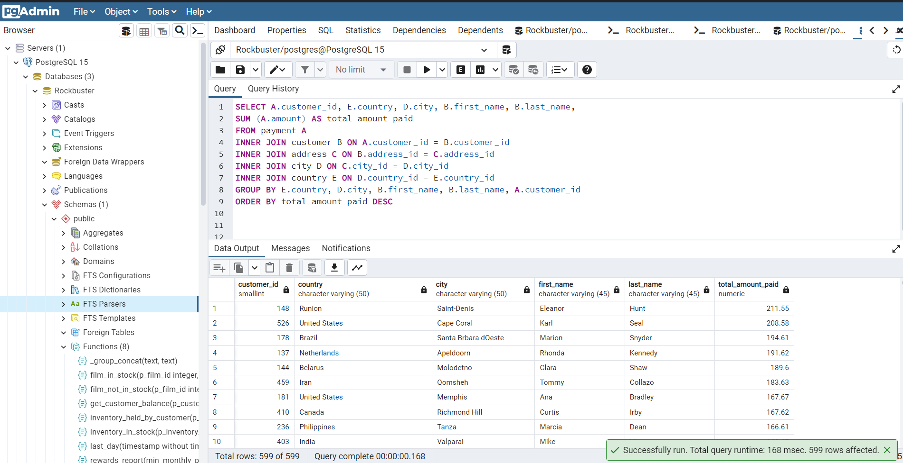
customer_id | country | city | first_name | last_name | total_amount_paid
148 | Runion | Saint-Denis | Eleanor | Hunt | 211.55
526 | United States | Cape Coral | Karl | Seal | 208.58
178 | Brazil | Santa Brbara dOeste | Marion | Snyder | 194.61
137 | Netherlands | Apeldoorn | Rhonda | Kennedy | 191.62
144 | Belarus | Molodetno | Clara | Shaw | 189.6
459 | Iran | Qomsheh | Tommy | Collazo | 183.63
181 | United States | Memphis | Ana | Bradley | 167.67
410 | Canada | Richmond Hill | Curtis | Irby | 167.62
236 | Philippines | Tanza | Marcia | Dean | 166.61
403 | India | Valparai | Mike | Way | 162.67
522 | Philippines | Santa Rosa | Arnold | Havens | 161.68
469 | Spain | Ourense (Orense) | Wesley | Bull | 158.65
470 | Yemen | Hodeida | Gordon | Allard | 157.69
373 | Philippines | Tanauan | Louis | Leone | 156.66
259 | India | Halisahar | Lena | Jensen | 154.7
468 | India | Bijapur | Tim | Cary | 154.66
462 | Russian Federation | Usolje-Sibirskoje | Warren | Sherrod | 152.69
372 | Indonesia | Probolinggo | Steve | Mackenzie | 152.68
187 | Ukraine | Sumy | Brittany | Riley | 151.73
550 | China | Zhoushan | Guy | Brownlee | 151.69
176 | Algeria | Skikda | June | Carroll | 151.68
532 | Vietnam | Cam Ranh | Neil | Renner | 149.69
75 | Taiwan | Changhwa | Tammy | Sanders | 149.61
209 | India | Bhilwara | Tonya | Chapman | 147.71
26 | Holy See (Vatican City State) | Citt del Vaticano | Jessica | Hall | 146.68
21 | Bangladesh | Tangail | Michelle | Clark | 146.68
86 | Thailand | Songkhla | Jacqueline | Long | 146.68
211 | China | Fuyu | Stacey | Montgomery | 146.67
346 | Russian Federation | Maikop | Arthur | Simpkins | 145.7
366 | Turkey | Balikesir | Brandon | Huey | 145.64
50 | Sudan | Omdurman | Diane | Collins | 144.7
360 | Puerto Rico | Arecibo | Ralph | Madrigal | 144.68
348 | Taiwan | Hsichuh | Roger | Quintanilla | 144.66
513 | Nauru | Yangor | Duane | Tubbs | 143.7
454 | Mexico | Uruapan | Alex | Gresham | 143.68
347 | Latvia | Daugavpils | Ryan | Salisbury | 142.7
390 | Thailand | Nakhon Sawan | Shawn | Heaton | 142.69
267 | China | Lengshuijiang | Margie | Wade | 142.67
257 | Mozambique | Beira | Marsha | Douglas | 142.66
39 | Brazil | Vila Velha | Debra | Nelson | 141.71
78 | India | Rae Bareli | Lori | Wood | 141.69
362 | Brazil | Belm | Nicholas | Barfield | 140.69
363 | Kenya | Nyeri | Roy | Whiting | 139.72
119 | Egypt | Shubra al-Khayma | Sherry | Marshall | 139.69
368 | Iran | Najafabad | Harry | Arce | 139.69
66 | Sweden | Malm | Janice | Ward | 139.67
237 | South Korea | Naju | Tanya | Gilbert | 138.69
29 | Japan | Shimonoseki | Angela | Hernandez | 138.65
87 | Colombia | Sincelejo | Wanda | Patterson | 137.72
80 | Nigeria | Ife | Marilyn | Ross | 137.7
439 | Italy | Bergamo | Alexander | Fennell | 137.67
558 | Poland | Wroclaw | Jimmie | Eggleston | 135.72
494 | Ecuador | Robamba | Ramon | Choate | 135.7
576 | Taiwan | Fengshan | Morris | Mccarter | 135.68
591 | Brazil | Juiz de Fora | Kent | Arsenault | 134.73
467 | Mexico | Cuauhtmoc | Alvin | Deloach | 134.72
479 | United States | Akron | Zachary | Hite | 134.71
210 | Yemen | Aden | Ella | Oliver | 134.7
120 | Colombia | Dos Quebradas | Sylvia | Ortiz | 134.7
204 | Turkey | Usak | Rosemary | Schmidt | 134.69
15 | India | Bhopal | Helen | Harris | 134.68
5 | Taiwan | Nantou | Elizabeth | Brown | 134.65
349 | Philippines | Imus | Joe | Gilliland | 133.72
404 | Japan | Omiya | Stanley | Scroggins | 133.71
172 | Turkey | Batman | Bernice | Willis | 133.7
197 | China | Changzhou | Sue | Peters | 133.68
265 | Czech Republic | Olomouc | Jennie | Terry | 132.72
533 | China | Binzhou | Jessie | Milam | 132.7
380 | Poland | Tychy | Russell | Brinson | 132.65
472 | Vietnam | Nam Dinh | Greg | Robins | 131.74
13 | Turkey | Osmaniye | Karen | Jackson | 131.73
125 | South Africa | Boksburg | Ethel | Webb | 131.69
46 | Russian Federation | Moscow | Catherine | Campbell | 131.69
3 | Greece | Athenai | Linda | Williams | 130.76
273 | Mexico | Salamanca | Priscilla | Lowe | 130.72
7 | Yugoslavia | Kragujevac | Maria | Miller | 130.72
502 | India | Siliguri (Shiliguri) | Brett | Cornwell | 130.7
566 | Turkey | Tokat | Casey | Mena | 130.68
342 | Brazil | Boa Vista | Harold | Martino | 130.68
112 | United States | Lancaster | Rosa | Reynolds | 129.72
560 | Argentina | Avellaneda | Jordan | Archuleta | 129.71
102 | Israel | Ashdod | Crystal | Ford | 129.7
168 | China | Jinchang | Regina | Berry | 129.68
484 | China | Yinchuan | Roberto | Vu | 128.73
242 | China | Qinhuangdao | Glenda | Frazier | 128.71
103 | Nigeria | Ilorin | Gladys | Hamilton | 128.71
84 | Mexico | Atlixco | Sara | Perry | 128.7
196 | Germany | Mannheim | Alma | Austin | 128.69
221 | Italy | Syrakusa | Bessie | Morrison | 127.73
448 | Germany | Erlangen | Miguel | Betancourt | 127.73
520 | Vietnam | Nha Trang | Mitchell | Westmoreland | 127.69
141 | Japan | Fukuyama | Debbie | Reyes | 127.69
38 | Moldova | Chisinau | Martha | Gonzalez | 127.66
200 | Turkmenistan | Ashgabat | Jeanne | Lawson | 126.74
206 | Brazil | Blumenau | Terri | Vasquez | 126.73
146 | United States | Sterling Heights | Jamie | Rice | 126.73
436 | Canada | Vancouver | Troy | Quigley | 126.73
108 | Mexico | Huixquilucan | Tracy | Cole | 126.72
114 | Germany | Duisburg | Grace | Ellis | 126.7
426 | India | Purnea (Purnia) | Bradley | Motley | 125.74
482 | Mexico | Coatzacoalcos | Maurice | Crawley | 125.74
295 | Russian Federation | Kolpino | Daisy | Bates | 125.72
147 | Japan | Urawa | Joanne | Robertson | 125.68
354 | Brazil | Santo Andr | Justin | Ngo | 125.67
45 | Chile | Antofagasta | Janet | Phillips | 124.74
89 | Argentina | La Plata | Julia | Flores | 124.71
198 | Nigeria | Ikerre | Elsie | Kelley | 124.68
129 | China | Liaocheng | Carrie | Porter | 124.66
300 | India | Parbhani | John | Farnsworth | 123.74
2 | United States | San Bernardino | Patricia | Johnson | 123.74
506 | Indonesia | Pontianak | Leslie | Seward | 123.72
371 | Philippines | Cabuyao | Billy | Poulin | 123.71
51 | United States | Fontana | Alice | Stewart | 123.7
27 | Philippines | Davao | Shirley | Allen | 123.7
30 | Taiwan | Lungtan | Melissa | King | 123.66
92 | Brazil | Goinia | Tina | Simmons | 122.74
434 | Philippines | Ozamis | Eddie | Tomlin | 122.74
535 | Chad | NDjamna | Javier | Elrod | 122.72
163 | Japan | Kakamigahara | Cathy | Spencer | 122.71
244 | Philippines | Lapu-Lapu | Viola | Hanson | 122.7
473 | Indonesia | Lhokseumawe | Jorge | Olivares | 122.69
508 | India | Vijayawada | Milton | Howland | 121.77
497 | United Kingdom | York | Gilbert | Sledge | 121.73
166 | Malawi | Lilongwe | Lynn | Payne | 121.73
451 | Mexico | El Fuerte | Jim | Rea | 121.7
438 | Zambia | Kitwe | Barry | Lovelace | 121.7
406 | Virgin Islands, U.S. | Charlotte Amalie | Nathan | Runyon | 121.69
491 | Egypt | Mit Ghamr | Rick | Mattox | 120.75
179 | Russian Federation | Kirovo-Tepetsk | Dana | Hart | 120.74
423 | Egypt | Sawhaj | Alfred | Casillas | 120.74
499 | Italy | Brindisi | Marc | Outlaw | 120.71
122 | Peru | Lima | Thelma | Murray | 120.7
59 | India | Mysore | Cheryl | Murphy | 119.76
389 | China | Emeishan | Alan | Kahn | 119.75
487 | Russian Federation | Pjatigorsk | Hector | Poindexter | 119.74
207 | Greenland | Nuuk | Gertrude | Castillo | 119.72
306 | Malaysia | Sungai Petani | Charles | Kowalski | 119.72
82 | Ukraine | Simferopol | Kathryn | Coleman | 118.76
41 | Armenia | Yerevan | Stephanie | Mitchell | 118.75
589 | Ecuador | Loja | Tracy | Herrmann | 118.75
565 | Peru | Hunuco | Jaime | Nettles | 118.73
35 | France | Toulouse | Virginia | Green | 118.7
128 | Poland | Jastrzebie-Zdrj | Marjorie | Tucker | 118.7
230 | Romania | Botosani | Joy | George | 118.69
285 | Japan | Otsu | Miriam | Mckinney | 117.77
583 | United Kingdom | Southampton | Marshall | Thorn | 117.77
585 | Argentina | Quilmes | Perry | Swafford | 117.76
504 | United States | Joliet | Nathaniel | Adam | 117.75
421 | India | Pudukkottai | Lee | Hawks | 117.75
573 | Kazakstan | Zhezqazghan | Byron | Box | 117.72
49 | Saudi Arabia | Jedda | Joyce | Edwards | 116.76
149 | United States | Brockton | Valerie | Black | 116.75
253 | Japan | Miyakonojo | Terry | Carlson | 116.74
263 | Philippines | Mandaluyong | Hilda | Hopkins | 116.73
274 | India | Karnal | Naomi | Jennings | 116.73
71 | Philippines | Baybay | Kathy | James | 116.72
356 | India | Satna | Gerald | Fultz | 116.71
56 | French Polynesia | Papeete | Gloria | Cook | 115.74
512 | United Kingdom | London | Cecil | Vines | 115.74
529 | India | Bhimavaram | Erik | Guillen | 115.72
393 | Russian Federation | Korolev | Philip | Causey | 115.71
158 | United States | Greensboro | Veronica | Stone | 115.7
279 | Iran | Tabriz | Dianne | Shelton | 114.76
54 | Japan | Iwakuni | Teresa | Rogers | 114.74
584 | Gambia | Banjul | Salvador | Teel | 114.73
262 | Ecuador | Portoviejo | Patsy | Davidson | 114.73
388 | Philippines | Cavite | Craig | Morrell | 114.72
107 | Argentina | Merlo | Florence | Woods | 114.72
1 | Japan | Sasebo | Mary | Smith | 114.7
433 | Mozambique | Naala-Porto | Don | Bone | 113.77
309 | Italy | Brescia | Christopher | Greco | 113.75
266 | Austria | Salzburg | Nora | Herrera | 113.74
302 | China | Tiefa | Michael | Silverman | 113.74
139 | Taiwan | Touliu | Amber | Dixon | 113.73
569 | China | Leshan | Dave | Gardiner | 113.73
416 | Pakistan | Dadu | Jeffery | Pinson | 113.72
314 | Brazil | Sorocaba | George | Linton | 113.71
260 | China | Datong | Christy | Vargas | 113.7
582 | Mexico | Huejutla de Reyes | Andy | Vanhorn | 112.76
540 | Bulgaria | Ruse | Tyrone | Asher | 112.76
63 | United States | Lincoln | Ashley | Richardson | 112.75
32 | India | Jhansi | Amy | Lopez | 112.74
131 | Ukraine | Mukateve | Monica | Hicks | 112.73
485 | China | Shaoguan | Clyde | Tobias | 112.72
453 | Venezuela | Maracabo | Calvin | Martel | 111.77
225 | India | Ambattur | Arlene | Harvey | 111.76
337 | Japan | Onomichi | Jerry | Jordon | 111.76
577 | Taiwan | Tanshui | Clifton | Malcolm | 111.74
113 | Venezuela | Cuman | Cindy | Fisher | 111.73
579 | Iraq | Mosul | Daryl | Larue | 111.73
173 | Austria | Graz | Audrey | Ray | 111.73
186 | India | Haldia | Holly | Fox | 111.71
42 | Thailand | Pak Kret | Carolyn | Perez | 111.71
592 | Hungary | Szkesfehrvr | Terrance | Roush | 111.71
531 | Japan | Kuwana | Jamie | Waugh | 110.77
495 | China | Baiyin | Charlie | Bess | 110.76
258 | Dominican Republic | Santiago de los Caballeros | Myrtle | Fleming | 110.76
515 | Chile | Coquimbo | Andre | Rapp | 110.74
154 | China | Yuncheng | Michele | Grant | 110.73
213 | Yemen | Taizz | Gina | Williamson | 110.73
90 | China | Meixian | Ruby | Washington | 110.72
559 | Egypt | Bilbays | Everett | Banda | 110.72
595 | China | Jinzhou | Terrence | Gunderson | 110.71
241 | China | Xiangfan | Heidi | Larson | 110.68
536 | South Korea | Tonghae | Fernando | Churchill | 109.77
170 | India | Udaipur | Beatrice | Arnold | 109.77
575 | Mexico | Cuernavaca | Isaac | Oglesby | 109.76
220 | Tanzania | Zanzibar | Charlene | Alvarez | 109.75
16 | United Kingdom | Southend-on-Sea | Sandra | Martin | 109.75
538 | China | Baicheng | Ted | Breaux | 109.73
447 | Russian Federation | Nabereznyje Telny | Clifford | Bowens | 109.73
376 | Russian Federation | Kurgan | Randy | Gaither | 109.73
386 | Ukraine | Kamjanets-Podilskyi | Todd | Tan | 109.72
446 | India | Uluberia | Theodore | Culp | 109.72
481 | Tanzania | Mwanza | Herman | Devore | 109.72
424 | China | Shanwei | Kyle | Spurlock | 109.71
284 | Nigeria | Benin City | Sonia | Gregory | 108.78
594 | China | Jining | Eduardo | Hiatt | 108.77
277 | Nigeria | Ogbomosho | Olga | Jimenez | 108.76
590 | Bahrain | al-Manama | Seth | Hannon | 108.76
334 | Azerbaijan | Sumqayit | Raymond | Mcwhorter | 108.75
518 | Turkey | Sivas | Gabriel | Harder | 108.75
574 | Japan | Akishima | Julian | Vest | 108.73
239 | Indonesia | Ciomas | Minnie | Romero | 108.72
167 | India | Chandrapur | Sally | Pierce | 108.71
293 | Spain | Donostia-San Sebastin | Mae | Fletcher | 107.79
571 | Poland | Plock | Johnnie | Chisholm | 107.78
427 | Brazil | Guaruj | Jesus | Mccartney | 107.77
332 | Bangladesh | Dhaka | Stephen | Qualls | 107.74
441 | Algeria | Batna | Mario | Cheatham | 107.73
145 | South Africa | Soshanguve | Lucille | Holmes | 107.73
588 | China | Weifang | Marion | Ocampo | 107.73
157 | North Korea | Pyongyang | Darlene | Rose | 107.71
418 | Dominican Republic | San Felipe de Puerto Plata | Jeff | East | 107.7
254 | Brazil | Poos de Caldas | Maxine | Silva | 107.7
91 | Brunei | Bandar Seri Begawan | Lois | Butler | 107.66
477 | United Kingdom | Stockport | Dan | Paine | 106.79
240 | Japan | Iwaki | Marlene | Welch | 106.77
343 | Mexico | Mexicali | Douglas | Graf | 106.77
155 | Switzerland | Bern | Gail | Knight | 106.76
234 | Kuwait | Jalib al-Shuyukh | Claudia | Fuller | 106.75
116 | Indonesia | Pemalang | Victoria | Gibson | 106.74
471 | South Africa | Johannesburg | Dean | Sauer | 106.74
160 | Russian Federation | Ljubertsy | Erin | Dunn | 106.73
457 | United States | Rockford | Bill | Gavin | 106.73
23 | Latvia | Liepaja | Sarah | Lewis | 106.73
52 | Spain | A Corua (La Corua) | Julie | Sanchez | 106.72
138 | China | Hohhot | Hazel | Warren | 106.68
490 | Colombia | Sogamoso | Sam | Mcduffie | 105.78
331 | Argentina | Santa F | Eric | Robert | 105.78
127 | Russian Federation | Smolensk | Elaine | Stevens | 105.78
193 | Kenya | Kisumu | Katie | Elliott | 105.77
294 | United States | Dayton | Shelly | Watts | 105.77
400 | United States | Dallas | Bryan | Hardison | 105.76
58 | Malaysia | Kuching | Jean | Bell | 105.76
396 | Japan | Iwatsuki | Earl | Shanks | 105.74
40 | Morocco | Nador | Amanda | Carter | 105.74
96 | United States | Augusta-Richmond County | Diana | Alexander | 105.73
444 | Estonia | Tartu | Marcus | Hidalgo | 105.72
28 | India | Munger (Monghyr) | Cynthia | Young | 105.7
345 | Paraguay | San Lorenzo | Carl | Artis | 104.79
493 | Turkey | Sultanbeyli | Brent | Harkins | 104.78
289 | Hong Kong | Kowloon and New Kowloon | Violet | Rodriquez | 104.76
121 | India | Etawah | Josephine | Gomez | 104.75
171 | Malaysia | Ipoh | Dolores | Wagner | 104.75
31 | India | Kamarhati | Brenda | Wright | 104.74
407 | South Africa | Rustenburg | Dale | Ratcliff | 104.74
25 | Pakistan | Shikarpur | Deborah | Walker | 104.73
397 | Russian Federation | Atinsk | Jimmy | Schrader | 104.72
442 | China | Tongliao | Leroy | Bustamante | 104.71
341 | Netherlands | Ede | Peter | Menard | 103.78
280 | Nigeria | Owo | Tracey | Barrett | 103.77
296 | India | Patiala | Ramona | Hale | 103.77
214 | United States | Sunnyvale | Kristin | Johnston | 103.74
202 | India | Bhusawal | Carla | Gutierrez | 103.74
245 | South Korea | Uijongbu | Courtney | Day | 103.74
408 | Sri Lanka | Jaffna | Manuel | Murrell | 103.73
20 | Pakistan | Mardan | Sharon | Robinson | 103.73
292 | United Arab Emirates | Sharja | Misty | Lambert | 102.78
553 | Yugoslavia | Novi Sad | Max | Pitt | 102.77
510 | Russian Federation | Kamyin | Ben | Easter | 102.77
98 | United Arab Emirates | al-Ayn | Lillian | Griffin | 102.76
587 | Mexico | Celaya | Sergio | Stanfield | 102.76
190 | Tanzania | Tabora | Yolanda | Weaver | 102.75
126 | Brazil | Po | Ellen | Simpson | 102.75
44 | Russian Federation | Lipetsk | Marie | Turner | 101.79
466 | China | Dongying | Leo | Ebert | 101.78
100 | Russian Federation | Jelets | Robin | Hayes | 101.77
593 | United States | Garden Grove | Rene | Mcalister | 101.76
405 | Argentina | Tandil | Leonard | Schofield | 101.7
486 | Mexico | Acua | Glen | Talbert | 100.77
572 | Poland | Czestochowa | Sidney | Burleson | 100.76
517 | Taiwan | Chungho | Brad | Mccurdy | 100.76
251 | Germany | Halle/Saale | Vickie | Brewer | 100.75
219 | Argentina | Vicente Lpez | Willie | Howell | 100.75
135 | India | Pune | Juanita | Mason | 100.72
519 | Japan | Isesaki | Ron | Deluca | 99.78
11 | Japan | Sagamihara | Lisa | Anderson | 99.77
57 | Liechtenstein | Vaduz | Evelyn | Morgan | 99.74
297 | India | Ahmadnagar | Sherri | Rhodes | 99.74
563 | Romania | Bucuresti | Ken | Prewitt | 99.73
503 | Japan | Ueda | Angel | Barclay | 99.72
452 | United Arab Emirates | Abu Dhabi | Tom | Milner | 99.71
381 | Anguilla | South Hill | Bobby | Boudreau | 99.68
19 | South Africa | Kimberley | Ruth | Martinez | 98.82
329 | Bangladesh | Jamalpur | Frank | Waggoner | 98.77
175 | India | Allappuzha (Alleppey) | Annette | Olson | 98.76
537 | United States | Aurora | Clinton | Buford | 98.76
374 | Brazil | Vitria de Santo Anto | Jeremy | Hurtado | 98.75
425 | Mexico | San Juan Bautista Tuxtepec | Francis | Sikes | 98.75
264 | Japan | Higashiosaka | Gwendolyn | May | 98.75
580 | Philippines | Iligan | Ross | Grey | 98.74
367 | India | Adoni | Adam | Gooch | 97.8
65 | French Guiana | Cayenne | Rose | Howard | 97.8
460 | Colombia | Florencia | Leon | Bostic | 97.79
409 | Nigeria | Deba Habe | Rodney | Moeller | 97.78
562 | Nigeria | Sokoto | Wallace | Slone | 97.78
475 | Ukraine | ostka | Pedro | Chestnut | 97.78
192 | India | Firozabad | Laurie | Lawrence | 97.78
123 | India | Varanasi (Benares) | Shannon | Freeman | 97.77
256 | Myanmar | Monywa | Mabel | Holland | 97.75
581 | Mexico | Jos Azueta | Virgil | Wofford | 97.75
379 | India | Bhavnagar | Carlos | Coughlin | 96.79
268 | India | Palghat (Palakkad) | Nina | Soto | 96.79
269 | United States | Salinas | Cassandra | Walters | 96.79
83 | South Africa | Springs | Louise | Jenkins | 96.78
352 | Cameroon | Bamenda | Albert | Crouse | 96.78
14 | United States | Citrus Heights | Betty | White | 96.77
414 | Mexico | Allende | Vincent | Ralston | 96.77
286 | Nigeria | Effon-Alaiye | Velma | Lucas | 96.76
317 | Faroe Islands | Trshavn | Edward | Baugh | 96.76
445 | Argentina | Escobar | Micheal | Forman | 96.76
500 | Indonesia | Madiun | Reginald | Kinder | 96.75
422 | China | Laohekou | Melvin | Ellington | 96.75
74 | Brazil | Rio Claro | Denise | Kelly | 96.74
554 | India | Rajkot | Dwayne | Olvera | 95.8
106 | Russian Federation | Ivanovo | Connie | Wallace | 95.79
578 | Mexico | Carmen | Willard | Lumpkin | 95.79
180 | Colombia | Pereira | Stacy | Cunningham | 95.78
324 | China | Yuzhou | Gary | Coy | 95.78
541 | Italy | Livorno | Darren | Windham | 95.78
488 | Mexico | La Paz | Shane | Millard | 95.78
339 | China | Xinxiang | Walter | Perryman | 95.76
456 | Senegal | Ziguinchor | Ronnie | Ricketts | 95.76
199 | Vietnam | Haiphong | Beth | Franklin | 95.76
132 | South Africa | Botshabelo | Esther | Crawford | 95.72
22 | Morocco | Sal | Laura | Rodriguez | 94.81
150 | Mexico | Hidalgo | Danielle | Daniels | 94.78
68 | India | Shivapuri | Nicole | Peterson | 94.78
276 | United States | Warren | Brandy | Graves | 94.77
161 | Israel | Tel Aviv-Jaffa | Geraldine | Perkins | 94.76
546 | China | Sanya | Kelly | Knott | 94.76
153 | Indonesia | Jakarta | Suzanne | Nichols | 94.76
10 | Iran | Esfahan | Dorothy | Taylor | 94.76
111 | Venezuela | Caracas | Carmen | Owens | 94.75
321 | Nepal | Birgunj | Kevin | Schuler | 93.83
528 | Angola | Benguela | Claude | Herzog | 93.8
432 | South Africa | Newcastle | Edwin | Burk | 93.8
319 | Mexico | San Felipe del Progreso | Ronald | Weiner | 93.79
443 | Brazil | So Leopoldo | Francisco | Skidmore | 93.79
105 | Tuvalu | Funafuti | Dawn | Sullivan | 93.78
336 | India | Rampur | Joshua | Mark | 93.78
385 | Japan | Tama | Phillip | Holm | 93.76
229 | Brazil | Anpolis | Tamara | Nguyen | 93.75
383 | Angola | Namibe | Martin | Bales | 93.75
12 | India | Yamuna Nagar | Nancy | Thomas | 93.74
377 | Iran | Kermanshah | Howard | Fortner | 93.74
47 | Brazil | Juazeiro do Norte | Frances | Parker | 92.81
544 | Brazil | So Bernardo do Campo | Cody | Nolen | 92.8
307 | Brazil | Angra dos Reis | Joseph | Joy | 92.8
81 | Madagascar | Mahajanga | Andrea | Henderson | 92.79
365 | Japan | Okinawa | Bruce | Schwarz | 92.79
511 | China | Suihua | Chester | Benner | 92.78
431 | Bolivia | Sucre | Joel | Francisco | 92.78
182 | United States | Compton | Renee | Lane | 92.76
516 | Cambodia | Battambang | Elmer | Noe | 92.76
474 | Netherlands | Emmen | Dustin | Gillette | 92.75
188 | Philippines | Bayugan | Melanie | Armstrong | 92.75
275 | United States | Peoria | Carole | Barnett | 92.75
489 | Japan | Okayama | Ricardo | Meador | 91.81
505 | Philippines | Talavera | Rafael | Abney | 91.81
212 | United States | Bellevue | Wilma | Richards | 91.8
37 | China | Nanyang | Pamela | Baker | 91.79
417 | Saudi Arabia | al-Qatif | Travis | Estep | 91.78
201 | Germany | Witten | Vicki | Fields | 91.78
392 | Ethiopia | Addis Abeba | Sean | Douglass | 91.77
570 | Mexico | Monclova | Ivan | Cromwell | 91.75
323 | Mexico | Cuautla | Matthew | Mahan | 91.75
64 | China | Daxian | Judith | Cox | 91.7
261 | Philippines | Tuguegarao | Deanna | Byrd | 90.78
216 | Brazil | Aparecida de Goinia | Natalie | Meyer | 90.78
99 | South Korea | Kimchon | Emily | Diaz | 90.77
36 | Iran | Arak | Kathleen | Adams | 90.75
461 | Philippines | Gingoog | Derek | Blakely | 90.73
552 | China | Haining | Hugh | Waldrop | 89.8
364 | Mexico | Guadalajara | Benjamin | Varney | 89.78
43 | French Polynesia | Faaa | Christine | Roberts | 89.78
73 | Taiwan | Chiayi | Beverly | Brooks | 89.78
333 | Azerbaijan | Baku | Andrew | Purdy | 89.78
69 | Algeria | Bchar | Judy | Gray | 89.77
507 | Turkey | Eskisehir | Edgar | Rhoads | 89.77
156 | Nigeria | Ondo | Bertha | Ferguson | 89.77
235 | Colombia | Buenaventura | Jackie | Lynch | 89.77
233 | Egypt | Idfu | Lillie | Kim | 89.77
463 | Canada | Halifax | Darrell | Power | 89.76
34 | Japan | Kurashiki | Rebecca | Scott | 89.76
361 | Cameroon | Yaound | Lawrence | Lawton | 89.71
249 | China | Tianjin | Dora | Medina | 88.81
247 | Mexico | Coacalco de Berriozbal | Stella | Moreno | 88.81
375 | Congo, The Democratic Republic of the | Mwene-Ditu | Aaron | Selby | 88.8
33 | Italy | Alessandria | Anna | Hill | 88.8
415 | Netherlands | Amersfoort | Glenn | Pullen | 88.78
60 | India | Jaipur | Mildred | Bailey | 88.78
231 | India | Uttarpara-Kotrung | Georgia | Jacobs | 88.77
53 | Japan | Nagareyama | Heather | Morris | 88.76
133 | Mexico | Torren | Pauline | Henry | 88.75
72 | Philippines | Taguig | Theresa | Watson | 88.73
17 | Russian Federation | Elista | Donna | Thompson | 87.82
203 | Indonesia | Gorontalo | Tara | Ryan | 87.81
547 | Japan | Kanazawa | Kurt | Emmons | 87.8
476 | Canada | Gatineau | Derrick | Bourque | 87.8
523 | Vietnam | Vinh | Harvey | Guajardo | 87.8
305 | United States | Arlington | Richard | Mccrary | 87.8
226 | Paraguay | Asuncin | Maureen | Little | 87.79
189 | Canada | Oshawa | Loretta | Carpenter | 87.79
130 | Brazil | guas Lindas de Gois | Charlotte | Hunter | 87.78
351 | Russian Federation | Zeleznogorsk | Jack | Foust | 87.77
597 | Peru | Sullana | Freddie | Duggan | 87.77
509 | India | Chapra | Raul | Fortier | 86.82
478 | Israel | Ashqelon | Lewis | Lyman | 86.81
238 | India | Shimoga | Nellie | Garrett | 86.81
195 | Germany | Siegen | Vanessa | Sims | 86.81
501 | Poland | Lublin | Ruben | Geary | 86.81
169 | China | Pingxiang | Erica | Matthews | 86.8
67 | China | Xiangtan | Kelly | Torres | 86.8
217 | India | Sambhal | Agnes | Bishop | 86.79
232 | Nigeria | Zaria | Constance | Reid | 86.77
101 | Saudi Arabia | Abha | Peggy | Myers | 86.77
419 | India | Katihar | Chad | Carbone | 86.76
228 | Cambodia | Phnom Penh | Allison | Stanley | 86.75
561 | United States | Garland | Ian | Still | 86.75
208 | India | Balurghat | Lucy | Wheeler | 86.75
115 | Mexico | Nezahualcyotl | Wendy | Harrison | 86.73
437 | Dominican Republic | La Romana | Randall | Neumann | 85.8
567 | Russian Federation | Serpuhov | Alfredo | Mcadams | 85.8
359 | Argentina | Almirante Brown | Willie | Markham | 85.78
455 | Bolivia | El Alto | Jon | Wiles | 85.78
382 | United States | Manchester | Victor | Barkley | 85.78
24 | Argentina | Crdoba | Kimberly | Lee | 85.77
77 | Brazil | Araatuba | Jane | Bennett | 85.77
8 | New Zealand | Hamilton | Susan | Wilson | 85.77
450 | Indonesia | Surakarta | Jay | Robb | 85.75
542 | Indonesia | Pangkal Pinang | Lonnie | Tirado | 84.84
545 | Ukraine | Konotop | Julio | Noland | 84.81
55 | Russian Federation | Balaiha | Doris | Reed | 84.81
88 | South Korea | Cheju | Bonnie | Hughes | 84.8
539 | Venezuela | Valencia | Mathew | Bolin | 84.8
299 | Japan | Hiroshima | James | Gannon | 84.79
6 | United States | Laredo | Jennifer | Davis | 84.75
140 | United States | Clarksville | Eva | Ramos | 83.82
480 | Turkey | Gaziantep | Corey | Hauser | 83.81
143 | Turkey | Kilis | Leslie | Gordon | 83.8
440 | India | Dhule (Dhulia) | Bernard | Colby | 83.79
598 | Switzerland | Lausanne | Wade | Delvalle | 83.78
340 | Vietnam | Hanoi | Patrick | Newsom | 83.77
496 | China | Rizhao | Tyler | Wren | 82.81
564 | China | Xintai | Bob | Pfeiffer | 82.78
498 | Oman | Salala | Gene | Sanborn | 82.76
483 | Turkey | Denizli | Vernon | Chapa | 81.83
524 | Indonesia | Purwakarta | Jared | Ely | 81.83
308 | United States | Kansas City | Thomas | Grigsby | 81.81
174 | Venezuela | Ocumare del Tuy | Yvonne | Watkins | 81.81
322 | Argentina | Baha Blanca | Jason | Morrissey | 81.81
312 | Saudi Arabia | Tabuk | Mark | Rinehart | 81.8
165 | China | Hami | Lorraine | Stephens | 81.8
534 | India | Amroha | Christian | Jung | 81.78
4 | Myanmar | Myingyan | Barbara | Jones | 81.78
215 | Bulgaria | Stara Zagora | Jessie | Banks | 81.76
527 | Belarus | Mogiljov | Cory | Meehan | 81.76
151 | China | Laiwu | Megan | Palmer | 81.75
311 | Russian Federation | Kursk | Paul | Trout | 80.85
449 | Iran | Sirjan | Oscar | Aquino | 80.83
205 | Paraguay | Ciudad del Este | Eileen | Carr | 80.82
316 | India | Miraj | Steven | Curley | 80.81
184 | Netherlands | s-Hertogenbosch | Vivian | Ruiz | 80.8
290 | Venezuela | Valle de la Pascua | Kristina | Chambers | 80.78
287 | India | Tambaram | Becky | Miles | 80.78
521 | China | Yingkou | Roland | South | 80.77
357 | Slovakia | Bratislava | Keith | Rico | 80.77
304 | Peru | Callao | David | Royal | 79.81
109 | South Africa | Klerksdorp | Edna | West | 79.81
185 | Iran | Shahr-e Kord | Roberta | Harper | 79.8
282 | Puerto Rico | Ponce | Jenny | Castro | 79.8
387 | Congo, The Democratic Republic of the | Lubumbashi | Jesse | Schilling | 79.78
391 | Japan | Izumisano | Clarence | Gamez | 79.75
429 | Japan | Tsuyama | Frederick | Isbell | 78.84
599 | China | Tieli | Austin | Cintron | 78.82
18 | Nigeria | Kaduna | Carol | Garcia | 78.81
338 | South Africa | Paarl | Dennis | Gilman | 78.8
9 | Oman | Masqat | Margaret | Moore | 78.8
298 | Finland | Oulu | Erika | Pena | 78.79
62 | United States | Saint Louis | Joan | Cooper | 78.79
227 | Germany | Saarbrcken | Colleen | Burton | 78.78
435 | China | Junan | Ricky | Shelby | 78.77
223 | Pakistan | Mandi Bahauddin | Melinda | Fernandez | 77.84
134 | Egypt | Qalyub | Emma | Boyd | 77.81
402 | France | Brest | Luis | Yanez | 77.81
394 | Spain | Gijn | Chris | Brothers | 77.8
384 | China | Huaian | Ernest | Stepp | 77.79
104 | France | Toulon | Rita | Graham | 77.78
243 | Argentina | San Miguel de Tucumn | Lydia | Burke | 77.77
246 | Brazil | Maring | Marian | Mendoza | 76.82
118 | United States | Grand Prairie | Kim | Cruz | 76.8
93 | China | Zalantun | Phyllis | Foster | 76.8
224 | India | Jodhpur | Pearl | Garza | 76.78
70 | Saudi Arabia | al-Hawiya | Christina | Ramirez | 75.83
270 | Poland | Kalisz | Leah | Curtis | 75.81
358 | India | Ranchi | Samuel | Marlow | 75.8
551 | Brazil | Alvorada | Clayton | Barbee | 75.79
530 | Argentina | Ezeiza | Darryl | Ashcraft | 75.78
183 | Brazil | Luzinia | Ida | Andrews | 75.78
194 | Japan | Hino | Kristen | Chavez | 74.84
555 | South Africa | Chatsworth | Dwight | Lombardi | 74.83
412 | India | Hoshiarpur | Allen | Butterfield | 74.83
327 | Turkey | Adana | Larry | Thrasher | 74.81
420 | United States | El Monte | Jacob | Lance | 74.8
76 | Kazakstan | Pavlodar | Irene | Price | 74.79
142 | United Kingdom | Dundee | April | Burns | 74.77
398 | Brazil | Bag | Antonio | Meek | 73.85
291 | United States | Roanoke | Toni | Holt | 73.83
399 | Pakistan | Okara | Danny | Isom | 73.82
428 | Russian Federation | Syktyvkar | Herbert | Kruger | 73.81
79 | Japan | Kamakura | Rachel | Barnes | 73.81
152 | India | Nagaon | Alicia | Mills | 73.81
543 | Morocco | Beni-Mellal | Lance | Pemberton | 73.8
335 | Tunisia | Sousse | Gregory | Mauldin | 73.78
596 | Greece | Patras | Enrique | Forsythe | 73.78
411 | Indonesia | Cianjur | Norman | Currier | 73.76
95 | India | Pathankot | Paula | Bryant | 72.83
325 | Brazil | Braslia | Timothy | Bunn | 72.82
556 | United Kingdom | Southport | Armando | Gruber | 72.82
85 | United Kingdom | Bradford | Anne | Powell | 72.79
301 | Russian Federation | Kaliningrad | Robert | Baughman | 71.85
222 | Russian Federation | Jaroslavl | Delores | Hansen | 71.84
94 | Philippines | Bislig | Norma | Gonzales | 71.81
430 | Russian Federation | Dzerzinsk | Ray | Houle | 71.8
278 | Turkey | Inegl | Billie | Horton | 71.79
177 | Mexico | Matamoros | Samantha | Duncan | 71.77
255 | Philippines | Hagonoy | Irma | Pearson | 70.82
378 | China | Shenzhen | Eugene | Culpepper | 70.82
...

top 5 customer spend
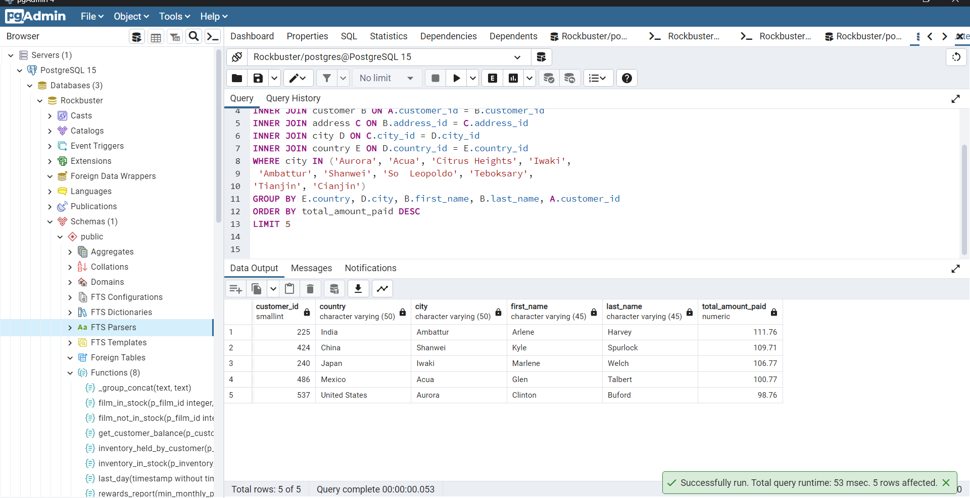
country | city | first_name | last_name | total_amount_paid
India | Ambattur | Arlene | Harvey | 111.76
China | Shanwei | Kyle | Spurlock | 109.71
Japan | Iwaki | Marlene | Welch | 106.77
Mexico | Acua | Glen | Talbert | 100.77
United States | Aurora | Clinton | Buford | 98.76

ratings
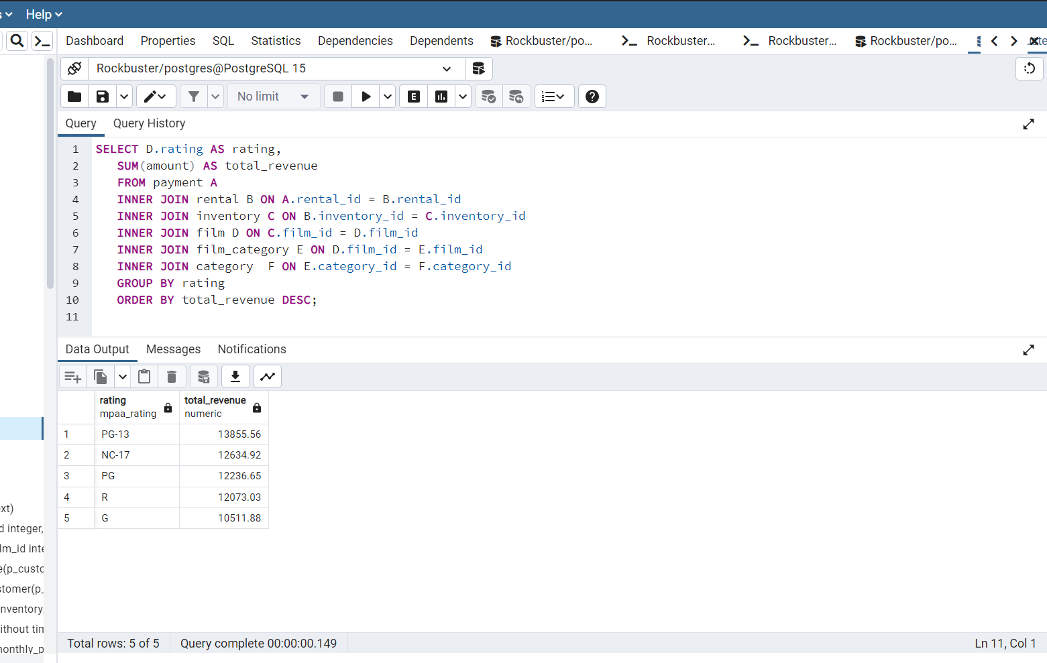
Rating | total_revnue
PG-13 | 13855.56 | 23%
NC-17 | 12634.92 | 21%
PG | 12236.65 | 20%
R | 12073.03 | 20%
G | 10511.88 | 17%
 | 61312.04

average duration, etc
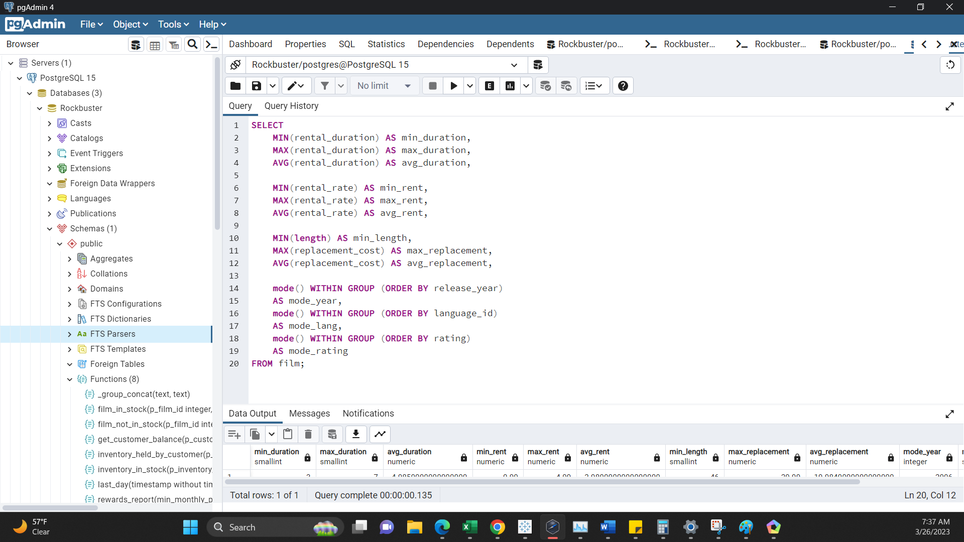
min_duration | max_duration | avg_duration | min_rent | max_rent | avg_rent | min_length | max_replacement | avg_replacement | mode_year | mode_lang | mode_rating
3 | 7 | 4.985 | 0.99 | 4.99 | 2.98 | 46 | 29.99 | 19.984 | 2006 | 1 | PG-13

